Execution Analyst
DIABPS Sprint 1.1 - DIABPS-33 TEST CASES |  |  |  | TESTER INFO
Test Case ID: | DIABPS_33#01 |  |  | Created By: | Jordan Helman
User Story: | DIABPS-33 - Update a Tag (System-Wide) |  |  | Created On: | 2026-08-03
Story Description: | As a(n) Execution Admin, Programming Admin, Manpower Admin, Resource Management Lead, Execution Lead, Programming Lead, Manpower Lead, Execution Analyst, Programming Analyst, or Manpower Analyst, I can update a Tag within my organization or system-wide Tags. |  |  | Reviewed By: | Kana Raghavan
User Role: | Execution Analyst |  |  | Reviewed On: | 2026-08-14
Acceptance Criteria: |  |  |  | Executed By: | Jordan Helman
Environment: | DIABPS Test |  |  | Executed On: | 2026-08-20

TEST SCENARIO 1
Test Scenario: | An Execution Analyst can update a tag that is within their organization.
Pre-Conditions: | At least 1 Active Tag with an associated organization exists in the system (the organization must be one that the Execution Analyst is within)
Execution Steps: |  | Input Data | Expected Result | Pass/Fail | Comments
STEP 1 | Log in as an Execution Analyst https://ams-test.appiancloud.us/suite/ | Username: jordan.ccrmexecutionanalyst | The user logs in successfully and is now on the Planning Module Home page | Pass | [Jordan]: Tested as CCRM
STEP 2 | Click the "TAGS" action located under ACTIONS & RESOURCES |  | The Tags record page displays | Pass
STEP 3 | In the grid, locate the row for the Tag referenced in Pre-Conditions |  |  | Pass | [Jordan]: User is in "USFK-CCRM - U.S. Forces Korea", so the Tag is associated to that same organization
STEP 4 | Click the "View Details" icon located in the left-most column |  | A Tag summary view displays | Pass
STEP 5 | Click the "ACTIONS" button located on the right-side of the page |  | The "Update Tag" action is available | Pass
STEP 6 | Click the "Update Tag" action |  | The Tag update form displays in a pop-up window | Pass
STEP 7 | Tag* Text Field Verify the field is pre-populated with record's current "Tag" value |  |  | Pass
STEP 8 | Clear the field and enter a different valid Tag | Tag: JH_TEST_TAG_33#0101 | The entered value persists with no error/validation message | Pass
STEP 9 | Description* Paragraph Field Verify the field is pre-populated with the record's current "Description" value |  |  | Pass
STEP 10 | Clear the field and enter a different valid Description | Description: Test description for test case DIABPS_33#0101 [Updated by CCRM Execution Analyst] | The entered value persists with no error/validation message | Pass
STEP 11 | Organization Picker Field Tooltip: "Leave blank to make this tag available system-wide to all users" Verify the field is pre-populated with the record's current "Organization" value |  |  | Pass
STEP 12 | Verify the field is disabled and cannot be edited |  |  | Pass
STEP 13 | Click the "UPDATE TAG" button |  | The pop-up window closes | Pass
STEP 14 | Verify the "Tag" and "Description" fields reflect the updated values |  |  | Pass
STEP 15 | Verify the "Last Modified By" field is set to the logged-in user, and the "Last Modified On" field is set to the time you updated the Tag |  |  | Pass
STEP 16 | Click the "All Tags" link located on the left-side of the page |  | The Tags record page displays | Pass
STEP 17 | Scroll to the bottom of the page and click the "Show Columns" link |  | A column selection section appears | Pass
STEP 18 | Click the "All" link |  | The "Last Modified By" and "Last Modified On" columns are added to the Tag record grid | Pass
STEP 19 | Locate the row for the updated Tag |  |  | Pass
STEP 20 | Verify the "Tag" and "Description" columns reflect the updated values |  |  | Pass
STEP 21 | Verify the "Last Modified By" column is set to the logged-in user, and the "Last Modified On" column is set to the time you updated the Tag |  |  | Pass
STEP 22 | Log out |  | The user is logged out of the application | Pass
Overall Status: | 1. The Tag has been successfully updated 2. All data entered by the user is saved 3. The system logs who updated the tag and the timestamp |  |  | Pass

TEST SCENARIO 2
Test Scenario: | An Execution Analyst can update a system-wide tag.
Pre-Conditions: | At least 1 Active Tag with no associated organization exists in the system
Execution Steps: |  | Input Data | Expected Result | Pass/Fail | Comments
STEP 1 | Log in as an Execution Analyst https://ams-test.appiancloud.us/suite/ | Username: jordan.ccrmexecutionanalyst | The user logs in successfully and is now on the Planning Module Home page | Pass | [Jordan]: Tested as CCRM
STEP 2 | Click the "TAGS" action located under ACTIONS & RESOURCES |  | The Tags record page displays | Pass
STEP 3 | In the grid, locate the row for the Tag referenced in Pre-Conditions |  |  | Pass
STEP 4 | Click the "View Details" icon located in the left-most column |  | A Tag summary view displays | Pass
STEP 5 | Click the "ACTIONS" button located on the right-side of the page |  | The "Update Tag" action is available | Pass
STEP 6 | Click the "Update Tag" action |  | The Tag update form displays in a pop-up window | Pass
STEP 7 | Tag* Text Field Verify the field is pre-populated with record's current "Tag" value |  |  | Pass
STEP 8 | Clear the field and enter a different valid Tag | Tag: JH_TEST_TAG_33#0102 | The entered value persists with no error/validation message | Pass
STEP 9 | Description* Paragraph Field Verify the field is pre-populated with the record's current "Description" value |  |  | Pass
STEP 10 | Clear the field and enter a different valid Description | Description: Test description for test case DIABPS_33#0102 [Updated by CCRM Execution Analyst] | The entered value persists with no error/validation message | Pass
STEP 11 | Organization Picker Field Verify the field is blank |  |  | Pass
STEP 12 | Verify the field is disabled and cannot be edited |  |  | Pass
STEP 13 | Click the "UPDATE TAG" button |  | The pop-up window closes | Pass
STEP 14 | Verify the "Tag" and "Description" fields reflect the updated values |  |  | Pass
STEP 15 | Verify the "Last Modified By" field is set to the logged-in user, and the "Last Modified On" field is set to the time you updated the Tag |  |  | Pass
STEP 16 | Click the "All Tags" link located on the left-side of the page |  | The Tags record page displays | Pass
STEP 17 | Scroll to the bottom of the page and click the "Show Columns" link |  | A column selection section appears | Pass
STEP 18 | Click the "All" link |  | The "Last Modified By" and "Last Modified On" columns are added to the Tag record grid | Pass
STEP 19 | Locate the row for the updated Tag |  |  | Pass
STEP 20 | Verify the "Tag" and "Description" columns reflect the updated values |  |  | Pass
STEP 21 | Verify the "Last Modified By" column is set to the logged-in user, and the "Last Modified On" column is set to the time you updated the Tag |  |  | Pass
STEP 22 | Log out |  | The user is logged out of the application | Pass
Overall Status: | 1. The Tag has been successfully updated 2. All data entered by the user is saved 3. The system logs who updated the tag and the timestamp |  |  | Pass

TEST SCENARIO 3
Test Scenario: | An Execution Analyst cannot update a tag with invalid data. [NEGATIVE TESTING]
Pre-Conditions: | 1. At least 2 Active Tags with no associated organization exist in the system 2. At least 2 Active Tags with the same associated organization exist in the system (the organization must be one that the Execution Analyst is within)
Execution Steps: |  | Input Data | Expected Result | Pass/Fail | Comments
STEP 1 | Log in as an Execution Analyst https://ams-test.appiancloud.us/suite/ | Username: jordan.ccrmexecutionanalyst | The user logs in successfully and is now on the Planning Module Home page | Pass | [Jordan]: Tested as CCRM
STEP 2 | Click the "TAGS" action located under ACTIONS & RESOURCES |  | The Tags record page displays | Pass
STEP 3 | In the grid, locate the row for one of the Tags referenced in Pre-Condition #1 |  |  | Pass
STEP 4 | Click the "View Details" icon located in the left-most column |  | A Tag summary view displays | Pass
STEP 5 | Click the "ACTIONS" button located on the right-side of the page |  | The "Update Tag" action is available | Pass
STEP 6 | Click the "Update Tag" action |  | The Tag update form displays in a pop-up window | Pass
STEP 7 | Clear the Tag and Description fields |  | The Tag and Description fields have no value | Pass
STEP 8 | Click the "UPDATE TAG" button |  | 1. The form does not submit 2. The Tag and Description fields display the validation message "A value is required" | Pass
STEP 9 | Tag* Text Field Enter 26+ characters | Tag: AAAAAAAAAAAAAAAAAAAAAAAAAA | The field displays a validation message explaining you cannot exceed the character limit | Pass
STEP 10 | Description* Paragraph Field Enter 1001+ characters | Description: <1001 A characters> | The field displays a validation message explaining you cannot exceed the character limit | Pass
STEP 11 | Click the "UPDATE TAG" button |  | The form does not submit | Pass
STEP 12 | Clear the Tag and Description fields |  | The Tag and Description fields have no value | Pass
STEP 13 | Tag* Text Field Enter the exact name of the other Tag from Pre-Condition #1 | Tag: JH_TEST_TAG_32#0202 | The field displays the validation message "A general tag with this name already exists in the system. Duplicates cannot be added." | Pass
STEP 14 | Description* Paragraph Field Enter a valid Description | Description: Test description for test case DIABPS_33#0103 [Updated by CCRM Execution Analyst] | The entered value persists with no error/validation message | Pass
STEP 15 | Click the "UPDATE TAG" button |  | The form does not submit | Pass
STEP 16 | Click the "CANCEL" button |  | The pop-up window closes | Pass
STEP 17 | Click the "All Tags" link located on the left-side of the page |  | The Tags record page displays | Pass
STEP 18 | In the grid, locate the row for one of the Tags referenced in Pre-Condition #2 |  |  | Pass | [Jordan]: User is in "USFK-CCRM - U.S. Forces Korea", so the Tag is associated to that same organization
STEP 19 | Click the "View Details" icon located in the left-most column |  | A Tag summary view displays | Pass
STEP 20 | Click the "ACTIONS" button located on the right-side of the page |  | The "Update Tag" action is available | Pass
STEP 21 | Click the "Update Tag" action |  | The Tag update form displays in a pop-up window | Pass
STEP 22 | Clear the Tag field |  | The Tag field has no value | Pass
STEP 23 | Tag* Text Field Enter the exact name of the other Tag from Pre-Condition #2 | Tag: USFK-CCRM Duplicate Test | The field displays the validation message "A tag for this organization with this name already exists in the system. Duplicates cannot be added." | Pass
STEP 24 | Click the "UPDATE TAG" button |  | The form does not submit | Pass
STEP 25 | Click the "CANCEL" button |  | The pop-up window closes | Pass
STEP 26 | Log out |  | The user is logged out of the application | Pass
Overall Status: | The Tags are not updated |  |  | Pass

TEST SCENARIO 4
Test Scenario: | In the Tag update form, an Execution Analyst can cancel/discard their work.
Pre-Conditions: | At least 1 Active Tag that the Execution Analyst can update exists in the system (either system-wide or within their Organization)
Execution Steps: |  | Input Data | Expected Result | Pass/Fail | Comments
STEP 1 | Log in as an Execution Analyst https://ams-test.appiancloud.us/suite/ | Username: jordan.ccrmexecutionanalyst | The user logs in successfully and is now on the Planning Module Home page | Pass | [Jordan]: Tested as CCRM
STEP 2 | Click the "TAGS" action located under ACTIONS & RESOURCES |  | The Tags record page displays | Pass
STEP 3 | In the grid, locate the row for the Tag referenced in Pre-Conditions |  |  | Pass
STEP 4 | Click the "View Details" icon located in the left-most column |  | A Tag summary view displays | Pass
STEP 5 | Click the "ACTIONS" button located on the right-side of the page |  | The "Update Tag" action is available | Pass
STEP 6 | Click the "Update Tag" action |  | The Tag update form displays in a pop-up window | Pass
STEP 7 | Click the "CANCEL" button |  | The pop-up window closes | Pass
STEP 8 | Click the "Update Tag" action |  | The Tag update form displays in a pop-up window | Pass
STEP 9 | Clear the Tag and Description fields |  | The Tag and Description fields have no value | Pass
STEP 10 | Tag* Text Field Enter a different valid Tag | Tag: JH_TEST_TAG_33#0104 | The entered value persists with no error/validation message | Pass
STEP 11 | Description* Paragraph Field Enter a different valid Description | Description: Test description for test case DIABPS_33#0104 [Updated by CCRM Execution Analyst] | The entered value persists with no error/validation message | Pass
STEP 12 | Click the "CANCEL" button |  | The pop-up window closes | Pass
STEP 13 | Verify that none of the fields for the Tag have been updated |  |  | Pass
STEP 14 | Log out |  | The user is logged out of the application | Pass
Overall Status: | 1. The Tag was not updated 2. All data entered by the user is discarded |  |  | Pass

TEST SCENARIO 5
Test Scenario: | An Execution Analyst cannot update a Tag associated to an organization they are not within.
Pre-Conditions: | At least 1 Active Tag with an associated organization exists in the system (the organization must be one that the Execution Analyst is NOT within)
Execution Steps: |  | Input Data | Expected Result | Pass/Fail | Comments
STEP 1 | Log in as an Execution Analyst https://ams-test.appiancloud.us/suite/ | Username: jordan.ccrmexecutionanalyst | The user logs in successfully and is now on the Planning Module Home page | Pass | [Jordan]: Tested as CCRM
STEP 2 | Click the "TAGS" action located under ACTIONS & RESOURCES |  | The Tags record page will display | Pass
STEP 3 | In the grid, locate the row for the Tag referenced in Pre-Conditions |  |  | Pass | [Jordan]: User is in "USFK-CCRM - U.S. Forces Korea", so the Tag is associated to a different organization
STEP 4 | Click the "View Details" icon located in the left-most column |  | A Tag summary view displays | Pass
STEP 5 | Verify the "ACTIONS" button does not appear on this page |  |  | Pass
STEP 6 | Log out |  | The user is logged out of the application | Pass
Overall Status: | The user cannot access the "Update Tag" action |  |  | Pass

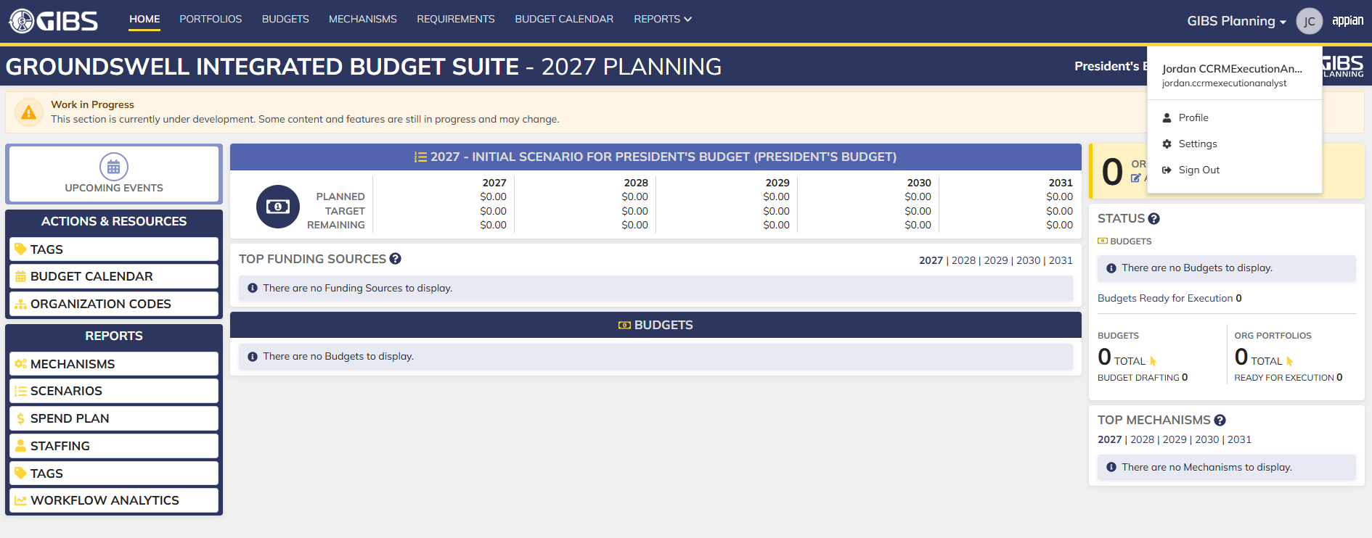
Evidences:
Scenario 1
 |  |  | Planning home page

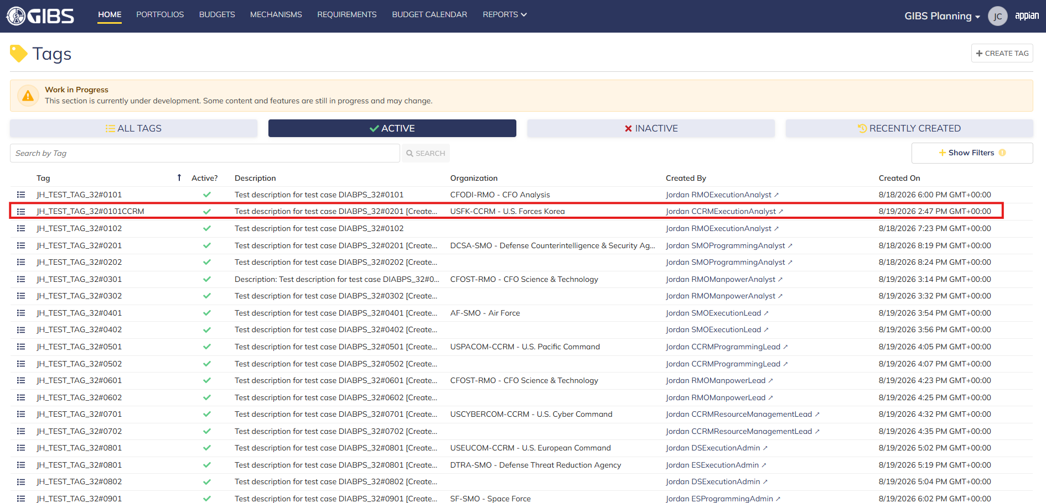
 |  |  | Tags record page. Tag referenced in Pre-Conditions noted

 |  |  | Summary View of referenced Tag. The "Update Tag" action is available under the "ACTIONS" button

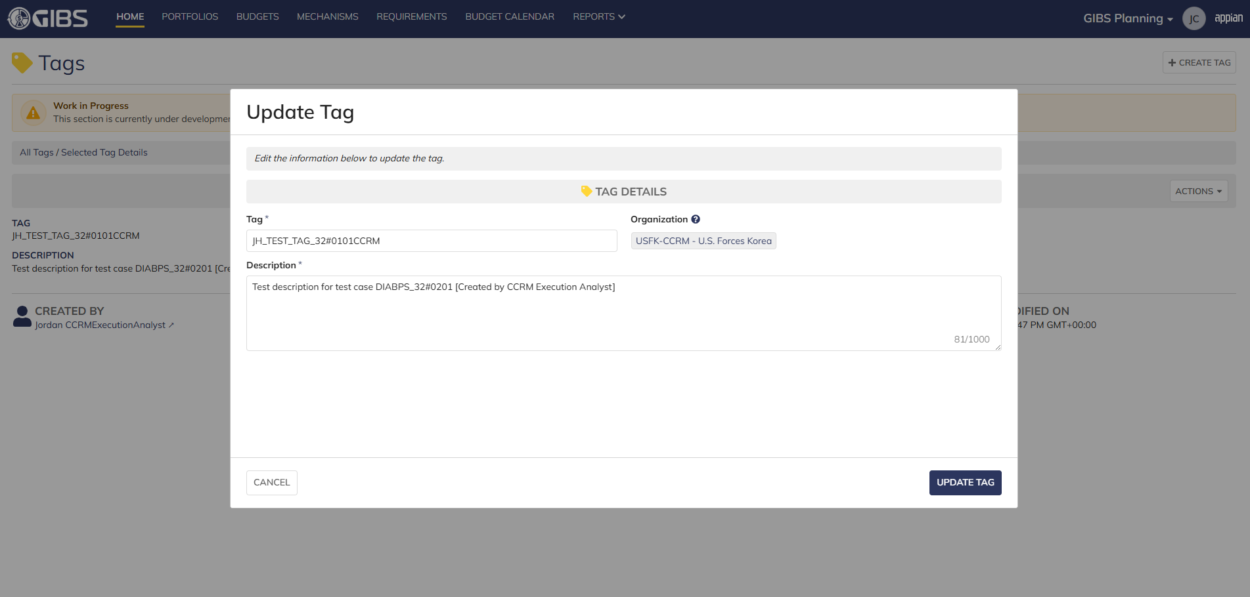
 |  |  | Tag update form in pop-up window. Matching data pre-populates each field

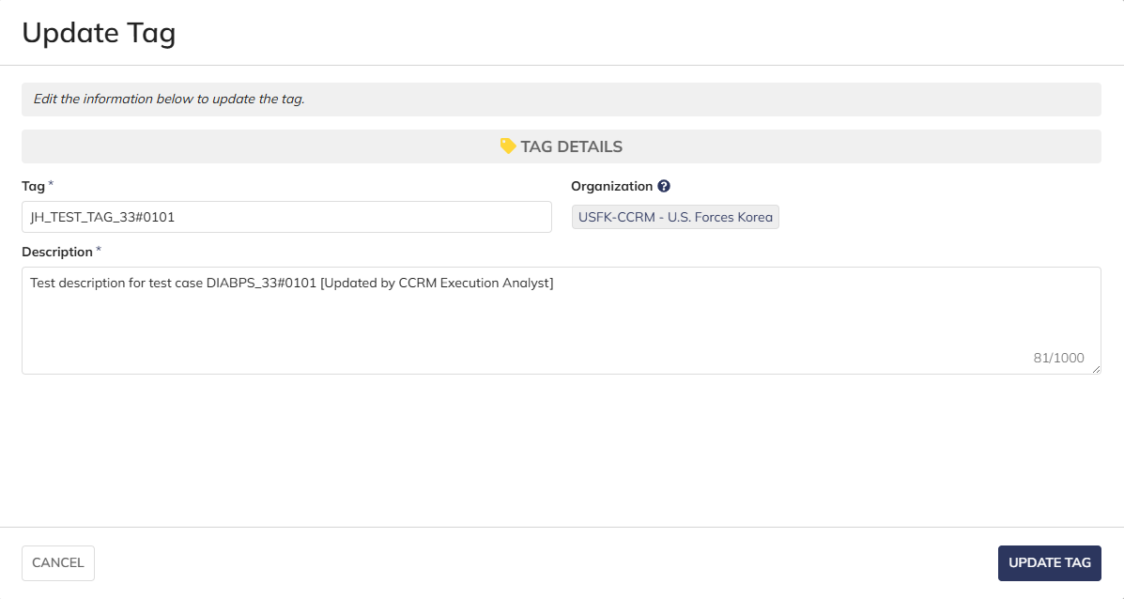
 |  |  | User can edit the Tag and Description
 |  |  | For Organization, the field is disabled for editing

 |  |  | User successfully updates a tag within their organization. All entered data is saved and audit information is saved

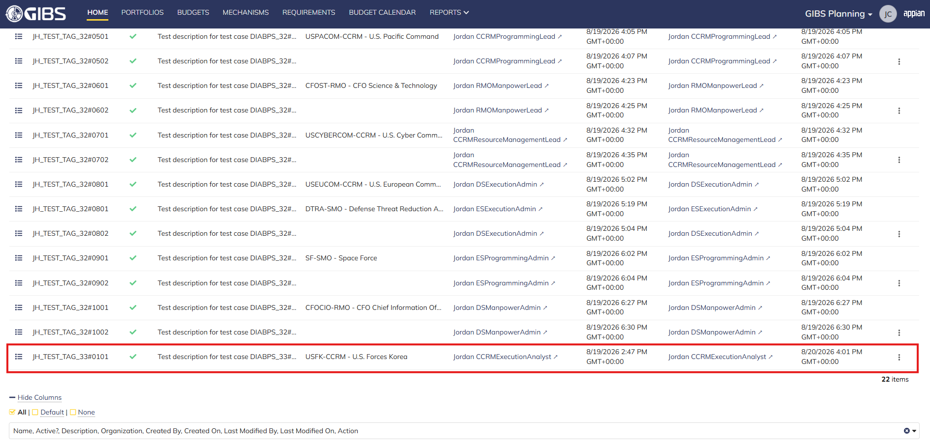
 |  |  | Grid row reflects the same data

Scenario 2
 |  |  | Summary View of referenced Tag. The "Update Tag" action is available under the "ACTIONS" button

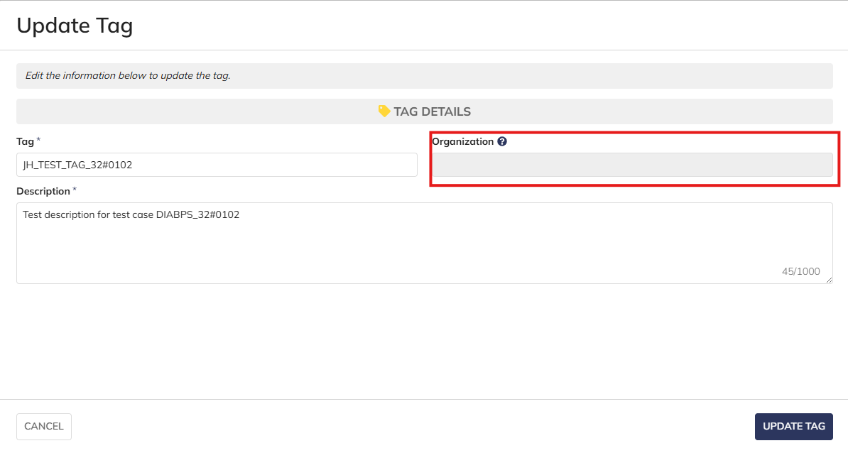
 |  |  | User can edit the Tag and Description
 |  |  | For Organization, the field is blank and disabled for editing

 |  |  | User successfully updates a system-wide tag. All entered data is saved and audit information is saved

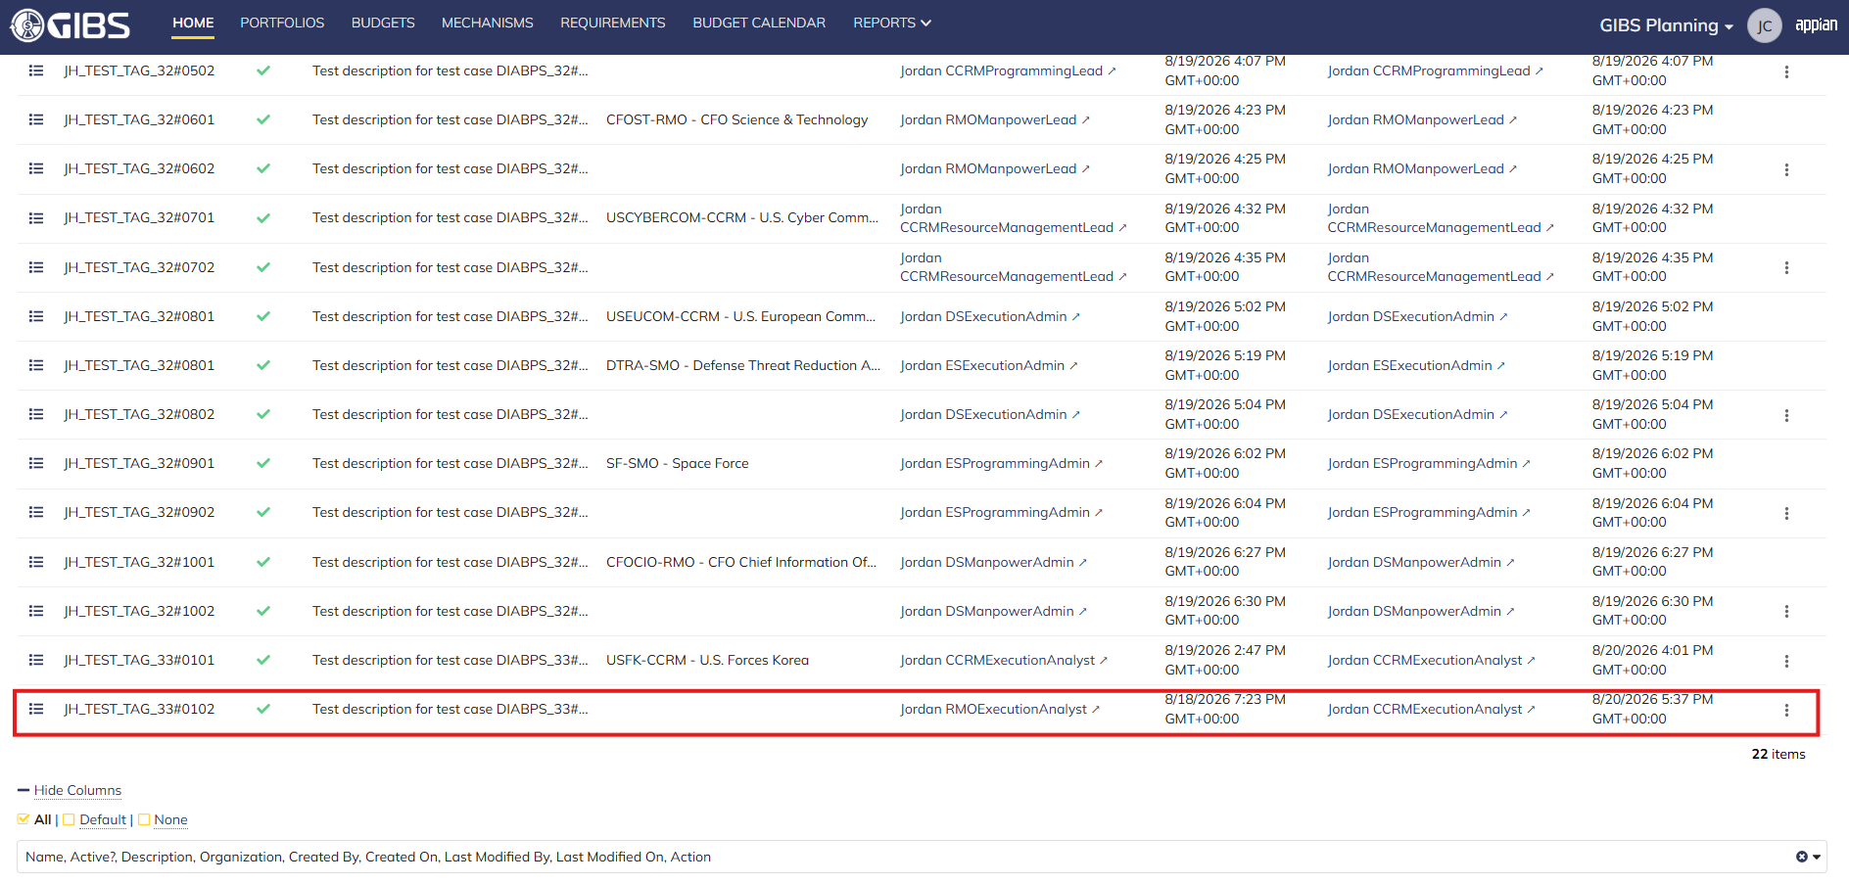
 |  |  | Grid row reflects the same data

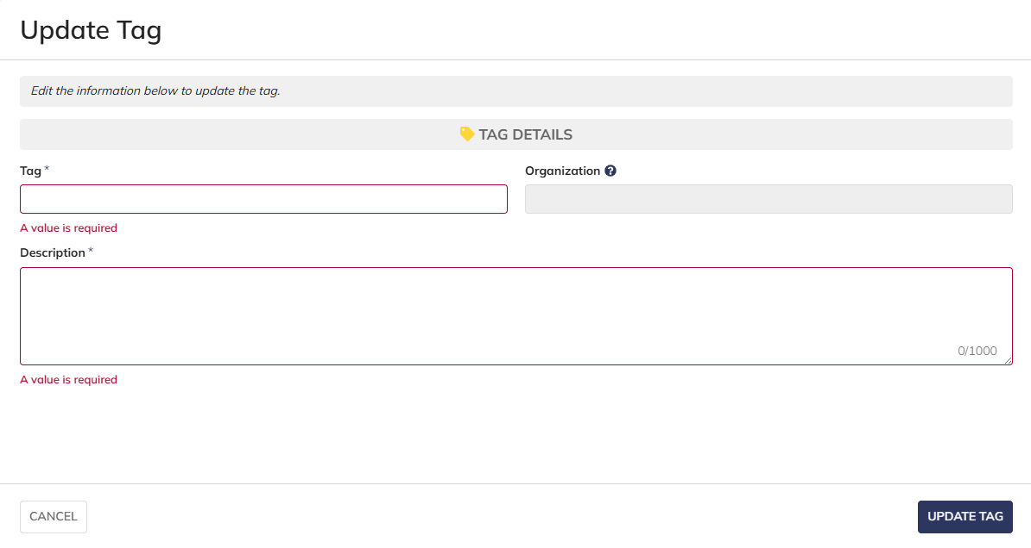
Scenario 3
 |  |  | The form does not submit if the required fields are blank

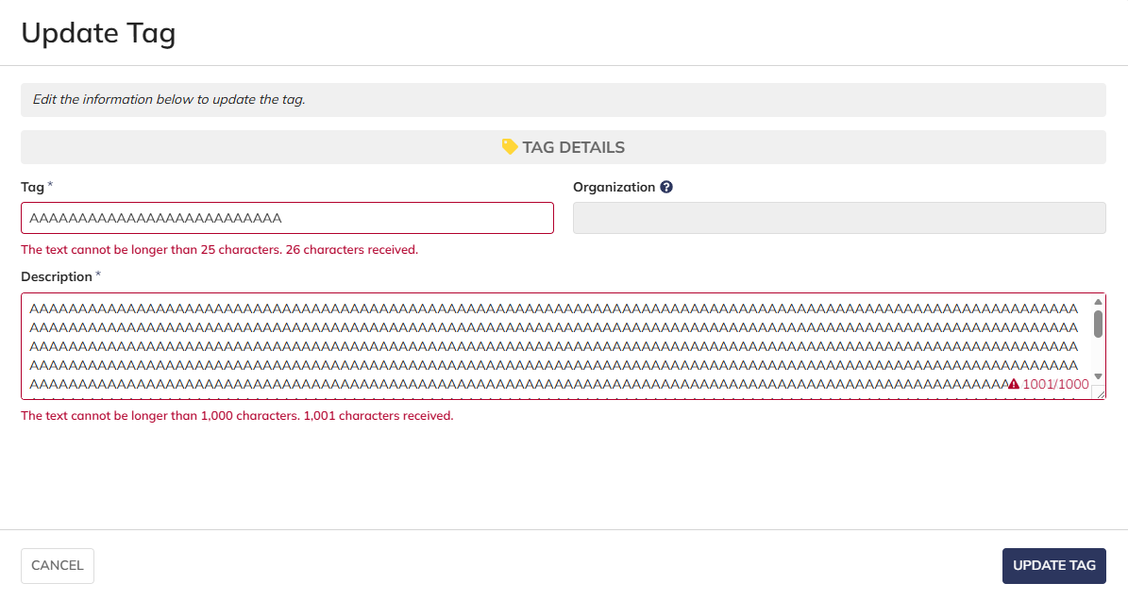
 |  |  | User cannot submit while exceeding the character limit on text fields

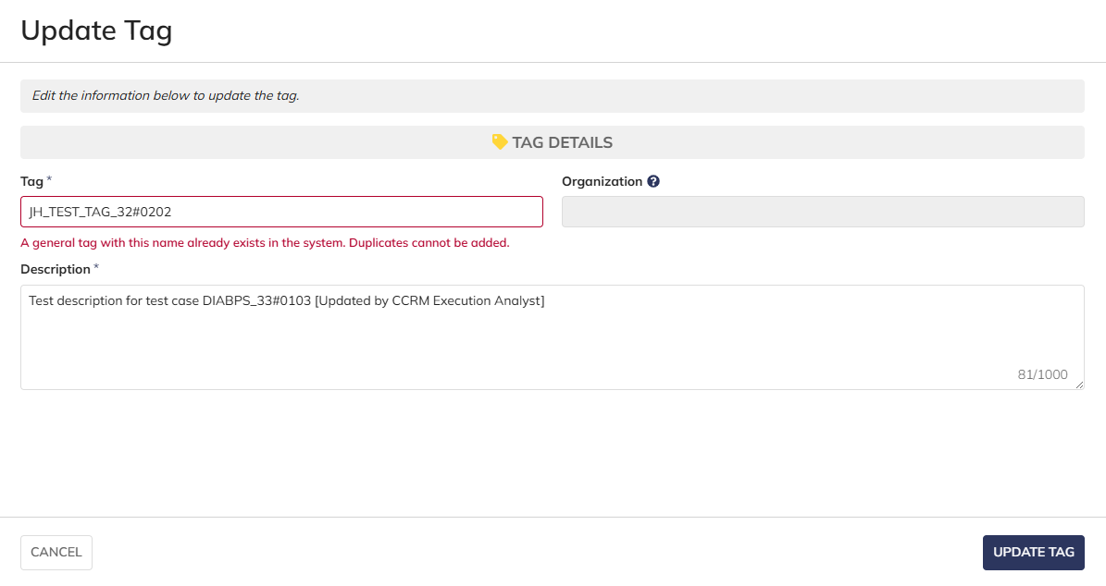
 |  |  | User cannot update system-wide tags with duplicate names


 |  |  | User cannot update tags to have a duplicate name within the same organization

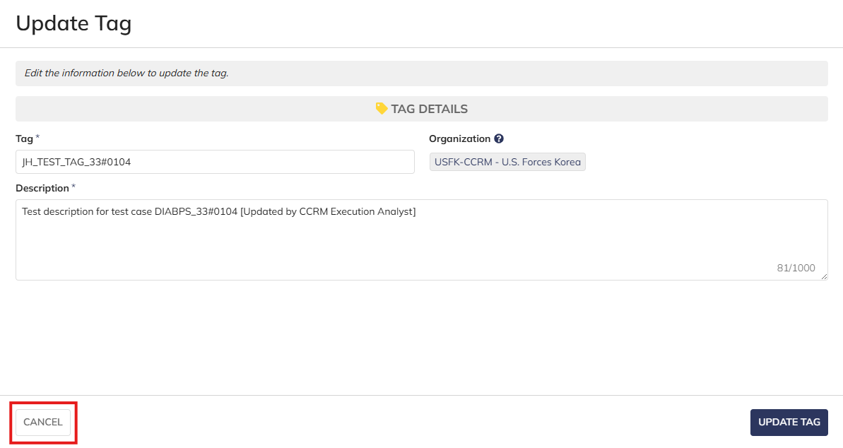
Scenario 4
 |  |  | User is able to cancel out of the form

 |  |  | The tag data is not updated after clicking "CANCEL"

Scenario 5
 |  |  | Summary View of a tag associated to a different organization. The "ACTIONS" button is hidden

Programming Analyst
DIABPS Sprint 1.1 - DIABPS-33 TEST CASES |  |  |  | TESTER INFO
Test Case ID: | DIABPS_33#02 |  |  | Created By: | Jordan Helman
User Story: | DIABPS-33 - Update a Tag (System-Wide) |  |  | Created On: | 2026-08-03
Story Description: | As a(n) Execution Admin, Programming Admin, Manpower Admin, Resource Management Lead, Execution Lead, Programming Lead, Manpower Lead, Execution Analyst, Programming Analyst, or Manpower Analyst, I can update a Tag within my organization or system-wide Tags. |  |  | Reviewed By: | Kana Raghavan
User Role: | Programming Analyst |  |  | Reviewed On: | 2026-08-14
Acceptance Criteria: |  |  |  | Executed By: | Jordan Helman
Environment: | DIABPS Test |  |  | Executed On: | 2026-08-20

TEST SCENARIO 1
Test Scenario: | A Programming Analyst can update a tag that is within their organization.
Pre-Conditions: | At least 1 Active Tag with an associated organization exists in the system (the organization must be one that the Programming Analyst is within)
Execution Steps: |  | Input Data | Expected Result | Pass/Fail | Comments
STEP 1 | Log in as a Programming Analyst https://ams-test.appiancloud.us/suite/ | Username: jordan.smoprogramminganalyst | The user logs in successfully and is now on the Planning Module Home page | Pass | [Jordan]: Tested as SMO
STEP 2 | Click the "TAGS" action located under ACTIONS & RESOURCES |  | The Tags record page displays | Pass
STEP 3 | In the grid, locate the row for the Tag referenced in Pre-Conditions |  |  | Pass | [Jordan]: User is in "DCSA-SMO - Defense Counterintelligence & Security Agency", so the Tag is associated to that same organization
STEP 4 | Click the "View Details" icon located in the left-most column |  | A Tag summary view displays | Pass
STEP 5 | Click the "ACTIONS" button located on the right-side of the page |  | The "Update Tag" action is available | Pass
STEP 6 | Click the "Update Tag" action |  | The Tag update form displays in a pop-up window | Pass
STEP 7 | Tag* Text Field Verify the field is pre-populated with record's current "Tag" value |  |  | Pass
STEP 8 | Clear the field and enter a different valid Tag | Tag: JH_TEST_TAG_33#0201 | The entered value persists with no error/validation message | Pass
STEP 9 | Description* Paragraph Field Verify the field is pre-populated with the record's current "Description" value |  |  | Pass
STEP 10 | Clear the field and enter a different valid Description | Description: Test description for test case DIABPS_33#0201 [Updated by SMO Programming Analyst] | The entered value persists with no error/validation message | Pass
STEP 11 | Organization Picker Field Tooltip: "Leave blank to make this tag available system-wide to all users" Verify the field is pre-populated with the record's current "Organization" value |  |  | Pass
STEP 12 | Verify the field is disabled and cannot be edited |  |  | Pass
STEP 13 | Click the "UPDATE TAG" button |  | The pop-up window closes | Pass
STEP 14 | Verify the "Tag" and "Description" fields reflect the updated values |  |  | Pass
STEP 15 | Verify the "Last Modified By" field is set to the logged-in user, and the "Last Modified On" field is set to the time you updated the Tag |  |  | Pass
STEP 16 | Click the "All Tags" link located on the left-side of the page |  | The Tags record page displays | Pass
STEP 17 | Scroll to the bottom of the page and click the "Show Columns" link |  | A column selection section appears | Pass
STEP 18 | Click the "All" link |  | The "Last Modified By" and "Last Modified On" columns are added to the Tag record grid | Pass
STEP 19 | Locate the row for the updated Tag |  |  | Pass
STEP 20 | Verify the "Tag" and "Description" columns reflect the updated values |  |  | Pass
STEP 21 | Verify the "Last Modified By" column is set to the logged-in user, and the "Last Modified On" column is set to the time you updated the Tag |  |  | Pass
STEP 22 | Log out |  | The user is logged out of the application | Pass
Overall Status: | 1. The Tag has been successfully updated 2. All data entered by the user is saved 3. The system logs who updated the tag and the timestamp |  |  | Pass

TEST SCENARIO 2
Test Scenario: | A Programming Analyst can update a system-wide tag.
Pre-Conditions: | At least 1 Active Tag with no associated organization exists in the system
Execution Steps: |  | Input Data | Expected Result | Pass/Fail | Comments
STEP 1 | Log in as a Programming Analyst https://ams-test.appiancloud.us/suite/ | Username: jordan.smoprogramminganalyst | The user logs in successfully and is now on the Planning Module Home page | Pass | [Jordan]: Tested as SMO
STEP 2 | Click the "TAGS" action located under ACTIONS & RESOURCES |  | The Tags record page displays | Pass
STEP 3 | In the grid, locate the row for the Tag referenced in Pre-Conditions |  |  | Pass
STEP 4 | Click the "View Details" icon located in the left-most column |  | A Tag summary view displays | Pass
STEP 5 | Click the "ACTIONS" button located on the right-side of the page |  | The "Update Tag" action is available | Pass
STEP 6 | Click the "Update Tag" action |  | The Tag update form displays in a pop-up window | Pass
STEP 7 | Tag* Text Field Verify the field is pre-populated with record's current "Tag" value |  |  | Pass
STEP 8 | Clear the field and enter a different valid Tag | Tag: JH_TEST_TAG_33#0202 | The entered value persists with no error/validation message | Pass
STEP 9 | Description* Paragraph Field Verify the field is pre-populated with the record's current "Description" value |  |  | Pass
STEP 10 | Clear the field and enter a different valid Description | Description: Test description for test case DIABPS_33#0202 [Updated by SMO Programming Analyst] | The entered value persists with no error/validation message | Pass
STEP 11 | Organization Picker Field Verify the field is blank |  |  | Pass
STEP 12 | Verify the field is disabled and cannot be edited |  |  | Pass
STEP 13 | Click the "UPDATE TAG" button |  | The pop-up window closes | Pass
STEP 14 | Verify the "Tag" and "Description" fields reflect the updated values |  |  | Pass
STEP 15 | Verify the "Last Modified By" field is set to the logged-in user, and the "Last Modified On" field is set to the time you updated the Tag |  |  | Pass
STEP 16 | Click the "All Tags" link located on the left-side of the page |  | The Tags record page displays | Pass
STEP 17 | Scroll to the bottom of the page and click the "Show Columns" link |  | A column selection section appears | Pass
STEP 18 | Click the "All" link |  | The "Last Modified By" and "Last Modified On" columns are added to the Tag record grid | Pass
STEP 19 | Locate the row for the updated Tag |  |  | Pass
STEP 20 | Verify the "Tag" and "Description" columns reflect the updated values |  |  | Pass
STEP 21 | Verify the "Last Modified By" column is set to the logged-in user, and the "Last Modified On" column is set to the time you updated the Tag |  |  | Pass
STEP 22 | Log out |  | The user is logged out of the application | Pass
Overall Status: | 1. The Tag has been successfully updated 2. All data entered by the user is saved 3. The system logs who updated the tag and the timestamp |  |  | Pass

TEST SCENARIO 3
Test Scenario: | A Programming Analyst cannot update a Tag associated to an organization they are not within.
Pre-Conditions: | At least 1 Active Tag with an associated organization exists in the system (the organization must be one that the Programming Analyst is NOT within)
Execution Steps: |  | Input Data | Expected Result | Pass/Fail | Comments
STEP 1 | Log in as a Programming Analyst https://ams-test.appiancloud.us/suite/ | Username: jordan.smoprogramminganalyst | The user logs in successfully and is now on the Planning Module Home page | Pass | [Jordan]: Tested as SMO
STEP 2 | Click the "TAGS" action located under ACTIONS & RESOURCES |  | The Tags record page will display | Pass
STEP 3 | In the grid, locate the row for the Tag referenced in Pre-Conditions |  |  | Pass | [Jordan]: User is in "DCSA-SMO - Defense Counterintelligence & Security Agency", so the Tag is associated to a different organization
STEP 4 | Click the "View Details" icon located in the left-most column |  | A Tag summary view displays | Pass
STEP 5 | Verify the "ACTIONS" button does not appear on this page |  |  | Pass
STEP 6 | Log out |  | The user is logged out of the application | Pass
Overall Status: | The user cannot access the "Update Tag" action |  |  | Pass

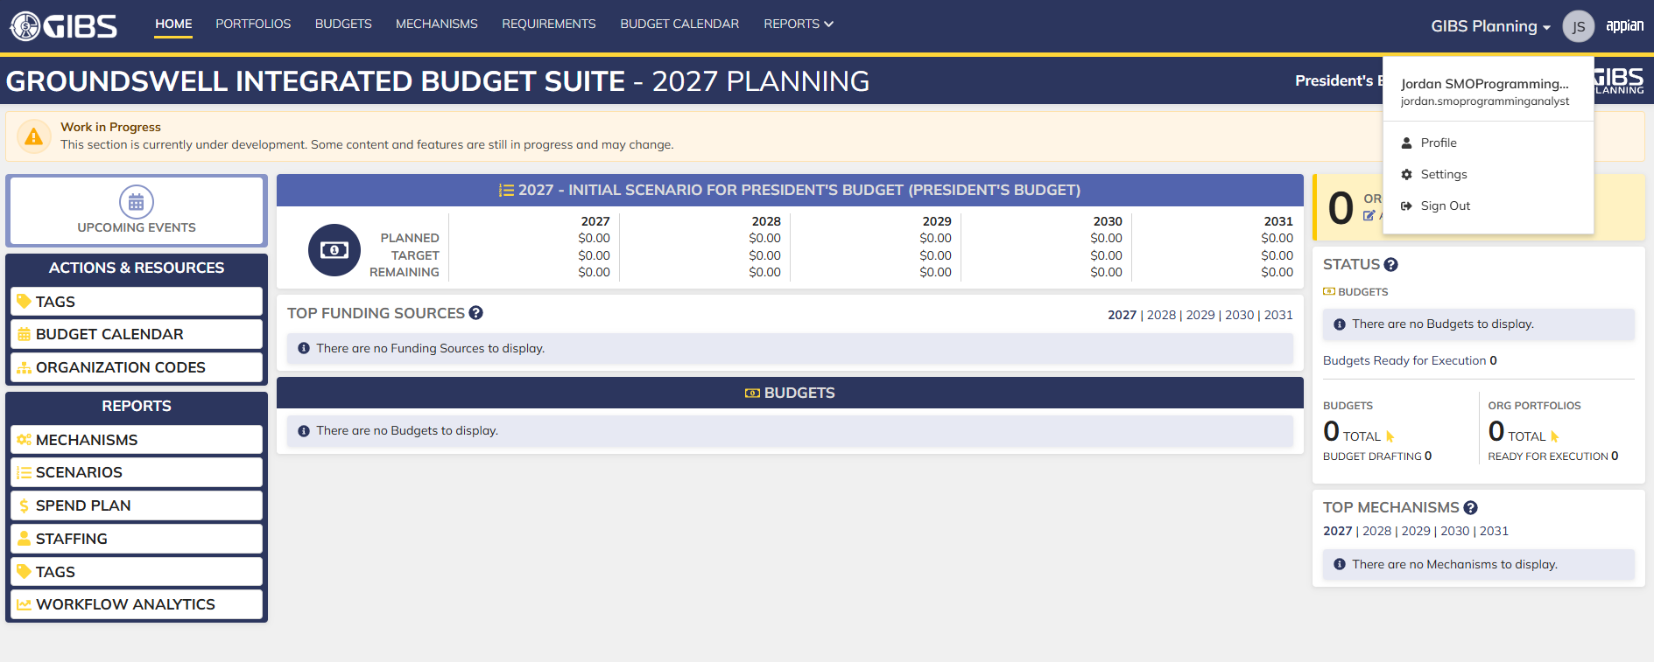
Evidences:
Scenario 1
 |  |  | Planning home page

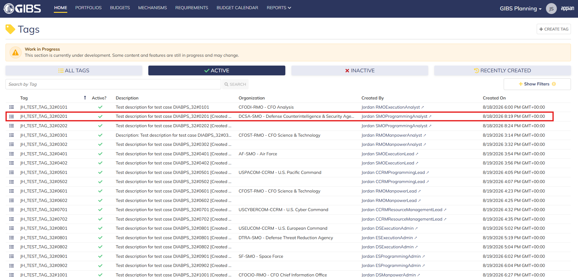
 |  |  | Tags record page. Tag referenced in Pre-Conditions noted

 |  |  | Summary View of referenced Tag. The "Update Tag" action is available under the "ACTIONS" button

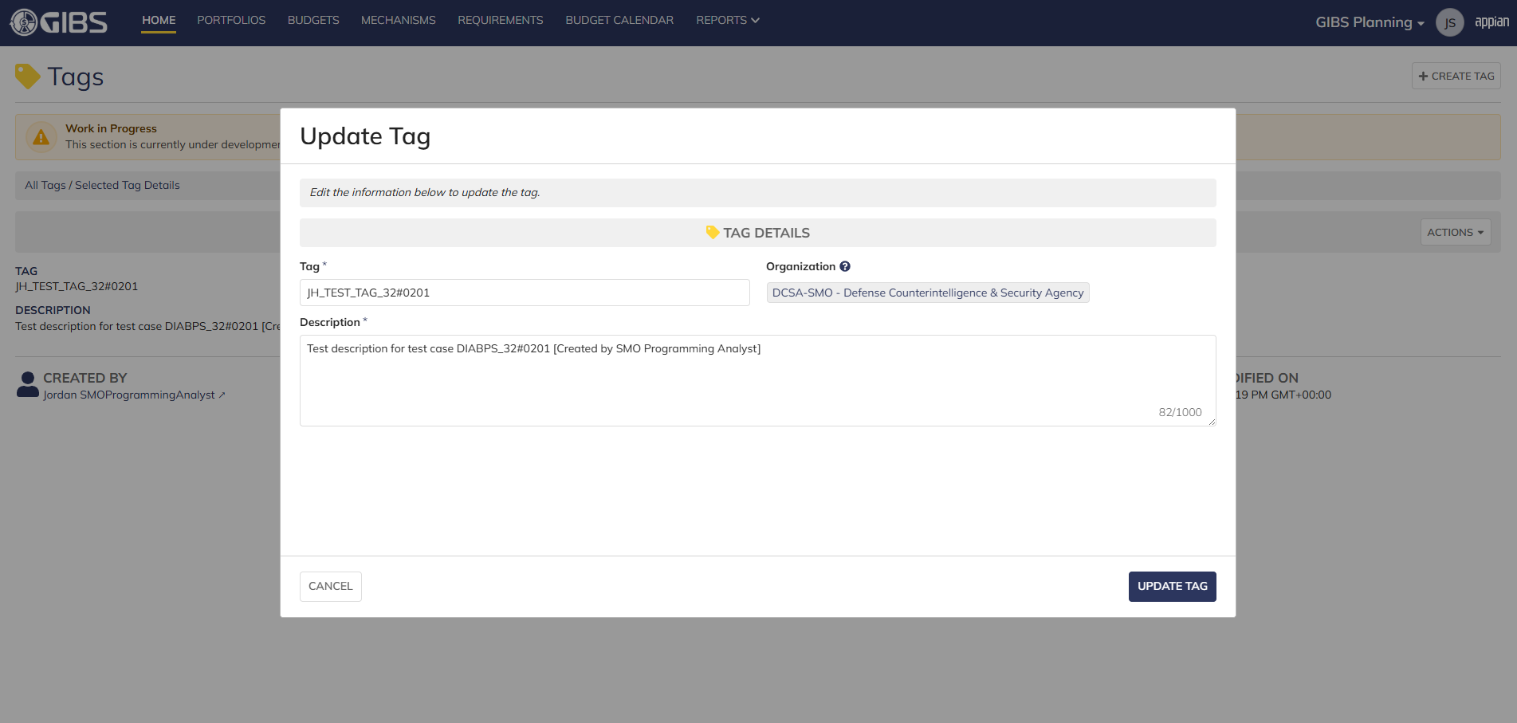
 |  |  | Tag update form in pop-up window. Matching data pre-populates each field

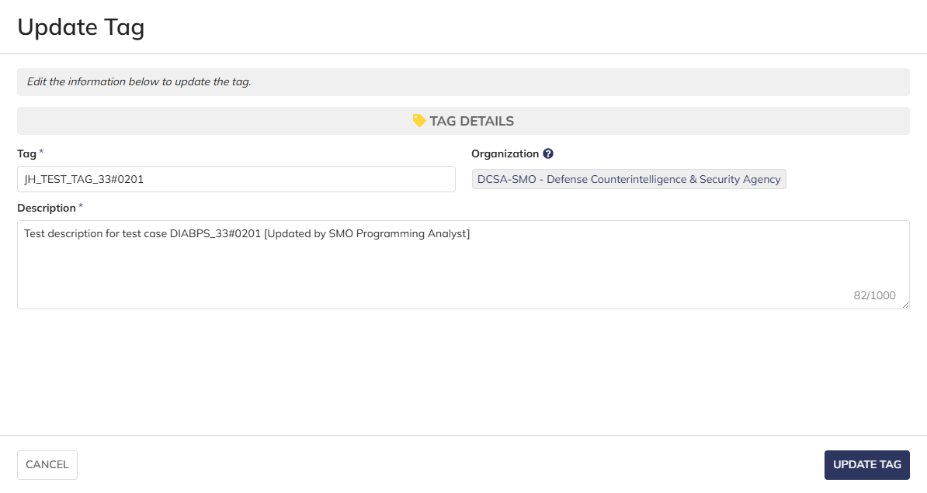
 |  |  | User can edit the Tag and Description
 |  |  | For Organization, the field is disabled for editing

 |  |  | User successfully updates a tag within their organization. All entered data is saved and audit information is saved

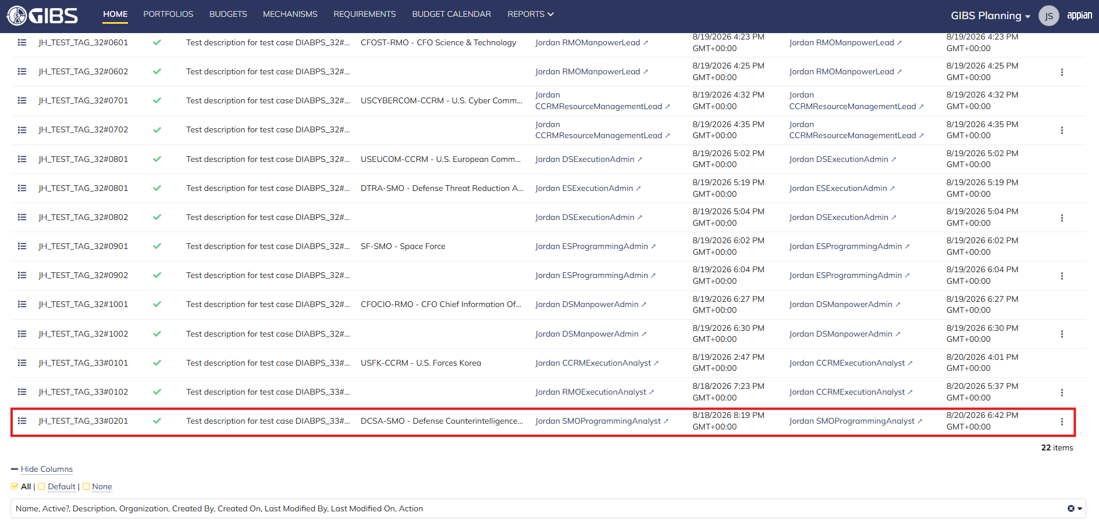
 |  |  | Grid row reflects the same data

Scenario 2
 |  |  | Summary View of referenced Tag. The "Update Tag" action is available under the "ACTIONS" button


 |  |  | User can edit the Tag and Description
 |  |  | For Organization, the field is blank and disabled for editing

 |  |  | User successfully updates a system-wide tag. All entered data is saved and audit information is saved

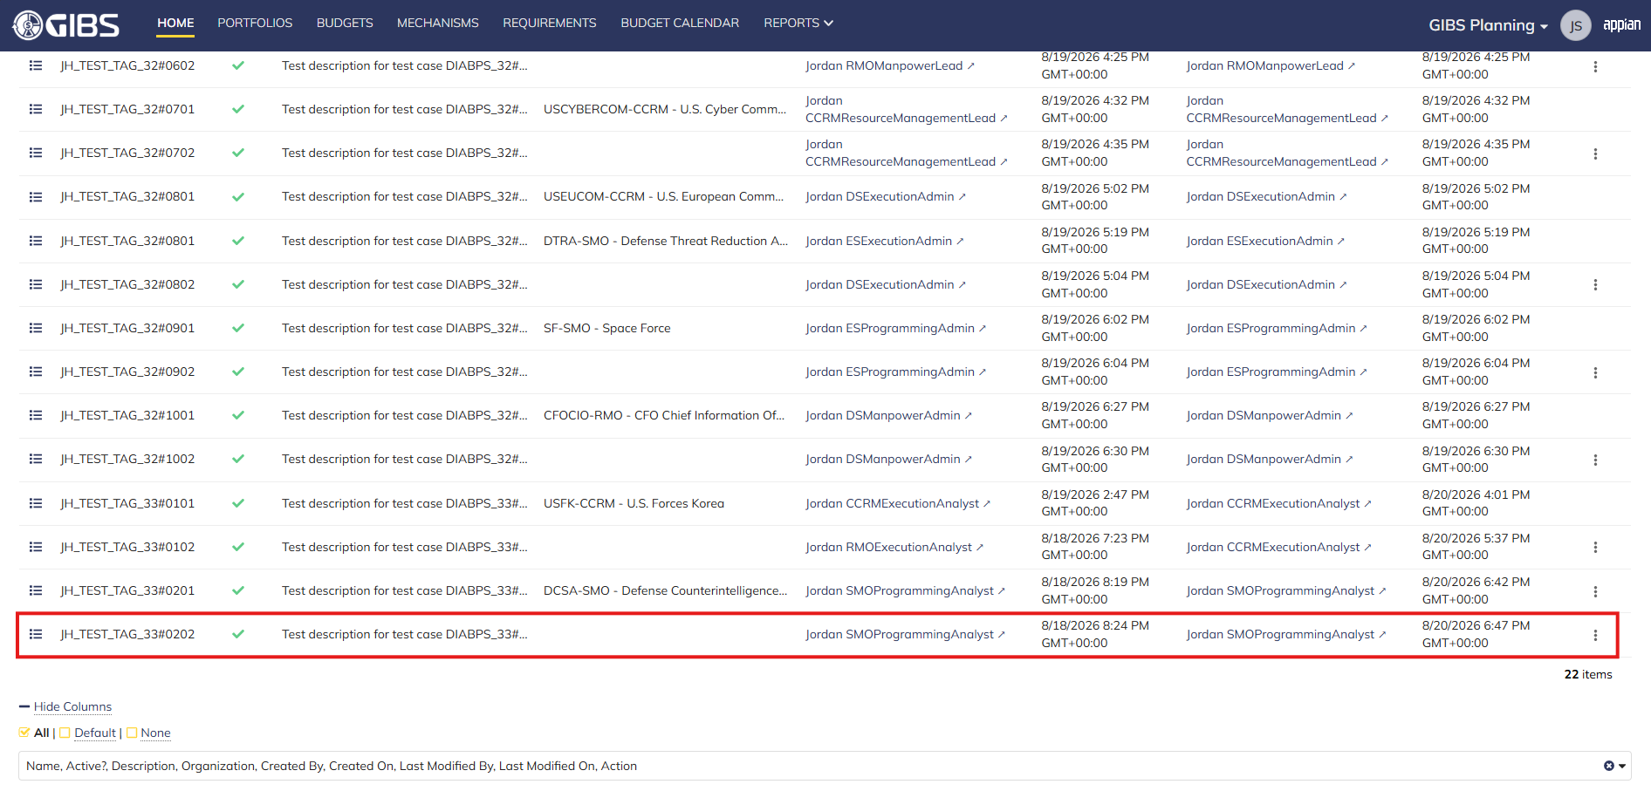
 |  |  | Grid row reflects the same data

Scenario 3
 |  |  | Summary View of a tag associated to a different organization. The "ACTIONS" button is hidden

Manpower Analyst
DIABPS Sprint 1.1 - DIABPS-33 TEST CASES |  |  |  | TESTER INFO
Test Case ID: | DIABPS_33#03 |  |  | Created By: | Jordan Helman
User Story: | DIABPS-33 - Update a Tag (System-Wide) |  |  | Created On: | 2026-08-03
Story Description: | As a(n) Execution Admin, Programming Admin, Manpower Admin, Resource Management Lead, Execution Lead, Programming Lead, Manpower Lead, Execution Analyst, Programming Analyst, or Manpower Analyst, I can update a Tag within my organization or system-wide Tags. |  |  | Reviewed By: | Kana Raghavan
User Role: | Manpower Analyst |  |  | Reviewed On: | 2026-08-14
Acceptance Criteria: |  |  |  | Executed By: | Jordan Helman
Environment: | DIABPS Test |  |  | Executed On: | 2026-08-20

TEST SCENARIO 1
Test Scenario: | A Manpower Analyst can update a tag that is within their organization.
Pre-Conditions: | At least 1 Active Tag with an associated organization exists in the system (the organization must be one that the Manpower Analyst is within)
Execution Steps: |  | Input Data | Expected Result | Pass/Fail | Comments
STEP 1 | Log in as a Manpower Analyst https://ams-test.appiancloud.us/suite/ | Username: jordan.rmomanpoweranalyst | The user logs in successfully and is now on the Planning Module Home page | Pass | [Jordan]: Tested as RMO
STEP 2 | Click the "TAGS" action located under ACTIONS & RESOURCES |  | The Tags record page displays | Pass
STEP 3 | In the grid, locate the row for the Tag referenced in Pre-Conditions |  |  | Pass | [Jordan]: User is in "CFOST-RMO - CFO Science & Technology", so the Tag is associated to that same organization
STEP 4 | Click the "View Details" icon located in the left-most column |  | A Tag summary view displays | Pass
STEP 5 | Click the "ACTIONS" button located on the right-side of the page |  | The "Update Tag" action is available | Pass
STEP 6 | Click the "Update Tag" action |  | The Tag update form displays in a pop-up window | Pass
STEP 7 | Tag* Text Field Verify the field is pre-populated with record's current "Tag" value |  |  | Pass
STEP 8 | Clear the field and enter a different valid Tag | Tag: JH_TEST_TAG_33#0301 | The entered value persists with no error/validation message | Pass
STEP 9 | Description* Paragraph Field Verify the field is pre-populated with the record's current "Description" value |  |  | Pass
STEP 10 | Clear the field and enter a different valid Description | Description: Test description for test case DIABPS_33#0301 [Updated by RMO Manpower Analyst] | The entered value persists with no error/validation message | Pass
STEP 11 | Organization Picker Field Tooltip: "Leave blank to make this tag available system-wide to all users" Verify the field is pre-populated with the record's current "Organization" value |  |  | Pass
STEP 12 | Verify the field is disabled and cannot be edited |  |  | Pass
STEP 13 | Click the "UPDATE TAG" button |  | The pop-up window closes | Pass
STEP 14 | Verify the "Tag" and "Description" fields reflect the updated values |  |  | Pass
STEP 15 | Verify the "Last Modified By" field is set to the logged-in user, and the "Last Modified On" field is set to the time you updated the Tag |  |  | Pass
STEP 16 | Click the "All Tags" link located on the left-side of the page |  | The Tags record page displays | Pass
STEP 17 | Scroll to the bottom of the page and click the "Show Columns" link |  | A column selection section appears | Pass
STEP 18 | Click the "All" link |  | The "Last Modified By" and "Last Modified On" columns are added to the Tag record grid | Pass
STEP 19 | Locate the row for the updated Tag |  |  | Pass
STEP 20 | Verify the "Tag" and "Description" columns reflect the updated values |  |  | Pass
STEP 21 | Verify the "Last Modified By" column is set to the logged-in user, and the "Last Modified On" column is set to the time you updated the Tag |  |  | Pass
STEP 22 | Log out |  | The user is logged out of the application | Pass
Overall Status: | 1. The Tag has been successfully updated 2. All data entered by the user is saved 3. The system logs who updated the tag and the timestamp |  |  | Pass

TEST SCENARIO 2
Test Scenario: | A Manpower Analyst can update a system-wide tag.
Pre-Conditions: | At least 1 Active Tag with no associated organization exists in the system
Execution Steps: |  | Input Data | Expected Result | Pass/Fail | Comments
STEP 1 | Log in as a Manpower Analyst https://ams-test.appiancloud.us/suite/ | Username: jordan.rmomanpoweranalyst | The user logs in successfully and is now on the Planning Module Home page | Pass | [Jordan]: Tested as RMO
STEP 2 | Click the "TAGS" action located under ACTIONS & RESOURCES |  | The Tags record page displays | Pass
STEP 3 | In the grid, locate the row for the Tag referenced in Pre-Conditions |  |  | Pass
STEP 4 | Click the "View Details" icon located in the left-most column |  | A Tag summary view displays | Pass
STEP 5 | Click the "ACTIONS" button located on the right-side of the page |  | The "Update Tag" action is available | Pass
STEP 6 | Click the "Update Tag" action |  | The Tag update form displays in a pop-up window | Pass
STEP 7 | Tag* Text Field Verify the field is pre-populated with record's current "Tag" value |  |  | Pass
STEP 8 | Clear the field and enter a different valid Tag | Tag: JH_TEST_TAG_33#0302 | The entered value persists with no error/validation message | Pass
STEP 9 | Description* Paragraph Field Verify the field is pre-populated with the record's current "Description" value |  |  | Pass
STEP 10 | Clear the field and enter a different valid Description | Description: Test description for test case DIABPS_33#0302 [Updated by RMO Manpower Analyst] | The entered value persists with no error/validation message | Pass
STEP 11 | Organization Picker Field Verify the field is blank |  |  | Pass
STEP 12 | Verify the field is disabled and cannot be edited |  |  | Pass
STEP 13 | Click the "UPDATE TAG" button |  | The pop-up window closes | Pass
STEP 14 | Verify the "Tag" and "Description" fields reflect the updated values |  |  | Pass
STEP 15 | Verify the "Last Modified By" field is set to the logged-in user, and the "Last Modified On" field is set to the time you updated the Tag |  |  | Pass
STEP 16 | Click the "All Tags" link located on the left-side of the page |  | The Tags record page displays | Pass
STEP 17 | Scroll to the bottom of the page and click the "Show Columns" link |  | A column selection section appears | Pass
STEP 18 | Click the "All" link |  | The "Last Modified By" and "Last Modified On" columns are added to the Tag record grid | Pass
STEP 19 | Locate the row for the updated Tag |  |  | Pass
STEP 20 | Verify the "Tag" and "Description" columns reflect the updated values |  |  | Pass
STEP 21 | Verify the "Last Modified By" column is set to the logged-in user, and the "Last Modified On" column is set to the time you updated the Tag |  |  | Pass
STEP 22 | Log out |  | The user is logged out of the application | Pass
Overall Status: | 1. The Tag has been successfully updated 2. All data entered by the user is saved 3. The system logs who updated the tag and the timestamp |  |  | Pass

TEST SCENARIO 3
Test Scenario: | A Manpower Analyst cannot update a Tag associated to an organization they are not within.
Pre-Conditions: | At least 1 Active Tag with an associated organization exists in the system (the organization must be one that the Manpower Analyst is NOT within)
Execution Steps: |  | Input Data | Expected Result | Pass/Fail | Comments
STEP 1 | Log in as a Manpower Analyst https://ams-test.appiancloud.us/suite/ | Username: jordan.rmomanpoweranalyst | The user logs in successfully and is now on the Planning Module Home page | Pass | [Jordan]: Tested as RMO
STEP 2 | Click the "TAGS" action located under ACTIONS & RESOURCES |  | The Tags record page will display | Pass
STEP 3 | In the grid, locate the row for the Tag referenced in Pre-Conditions |  |  | Pass | [Jordan]: User is in "CFOST-RMO - CFO Science & Technology", so the Tag is associated to a different organization
STEP 4 | Click the "View Details" icon located in the left-most column |  | A Tag summary view displays | Pass
STEP 5 | Verify the "ACTIONS" button does not appear on this page |  |  | Pass
STEP 6 | Log out |  | The user is logged out of the application | Pass
Overall Status: | The user cannot access the "Update Tag" action |  |  | Pass

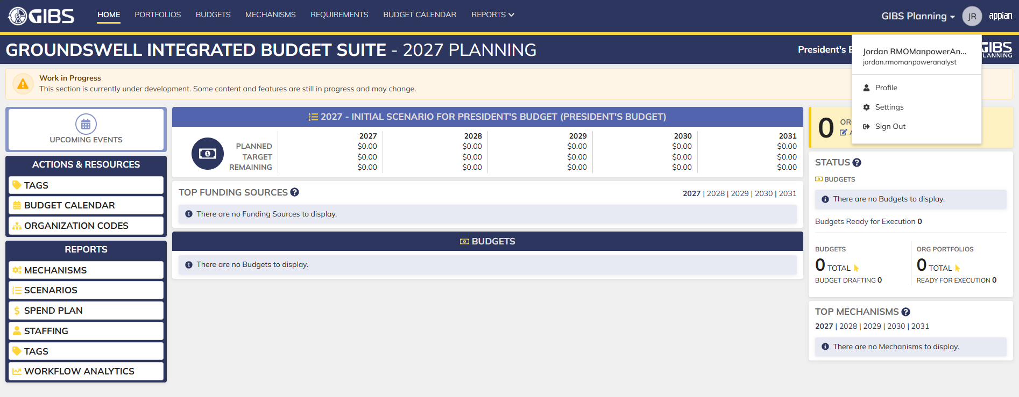
Evidences:
Scenario 1
 |  |  | Planning home page

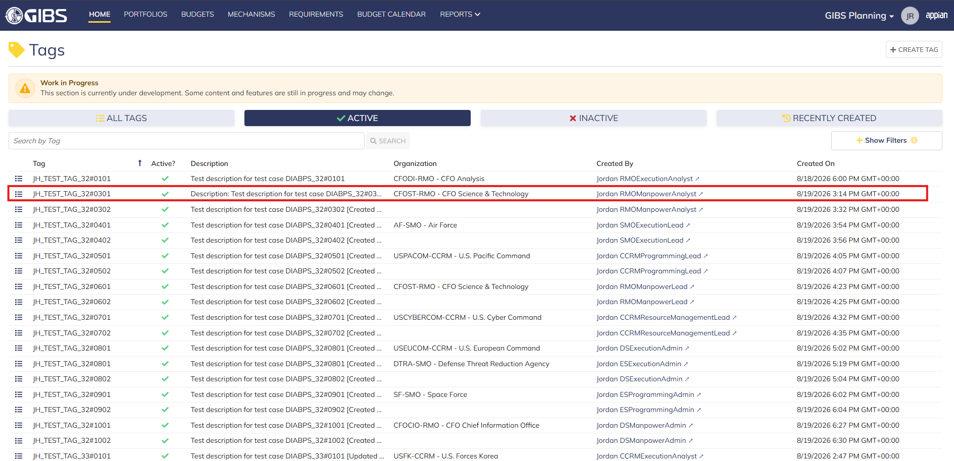
 |  |  | Tags record page. Tag referenced in Pre-Conditions noted

 |  |  | Summary View of referenced Tag. The "Update Tag" action is available under the "ACTIONS" button


 |  |  | Tag update form in pop-up window. Matching data pre-populates each field

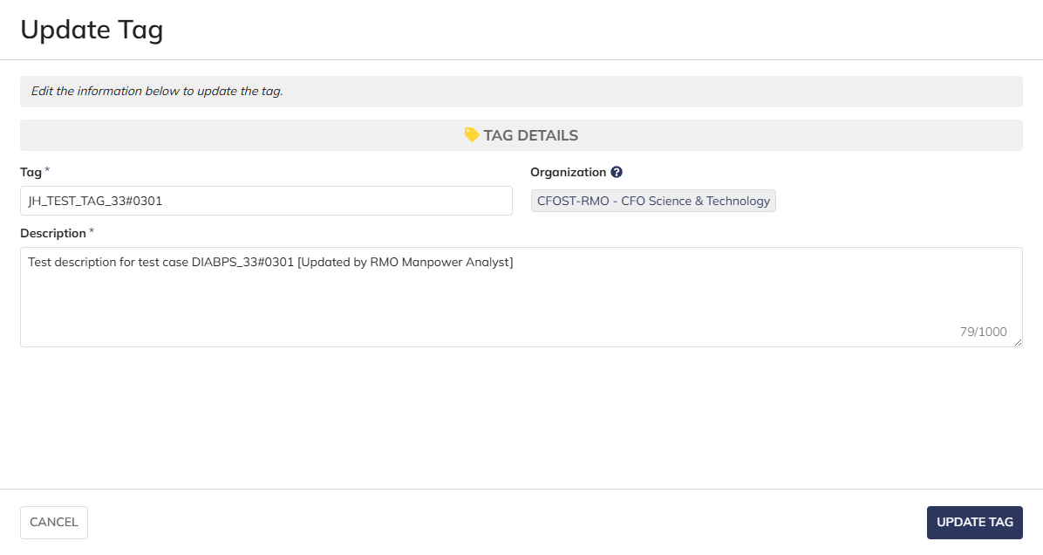
 |  |  | User can edit the Tag and Description
 |  |  | For Organization, the field is disabled for editing

 |  |  | User successfully updates a tag within their organization. All entered data is saved and audit information is saved

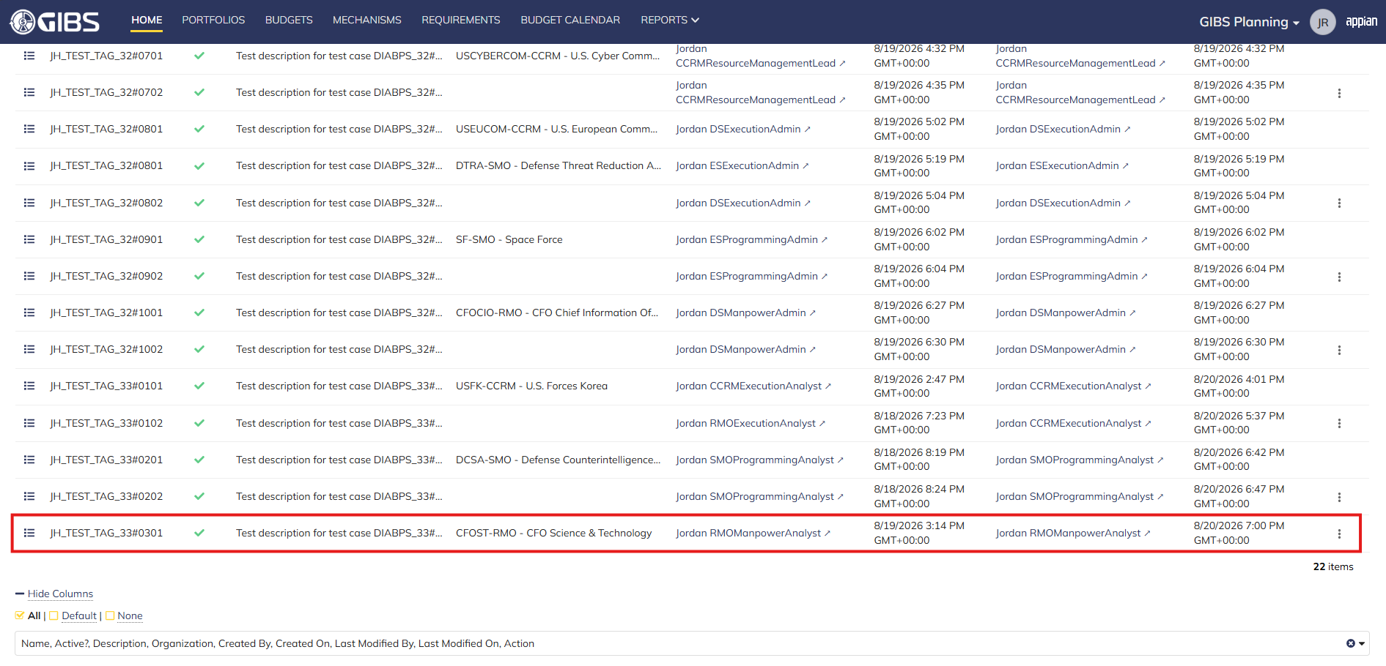
 |  |  | Grid row reflects the same data

Scenario 2
 |  |  | Summary View of referenced Tag. The "Update Tag" action is available under the "ACTIONS" button

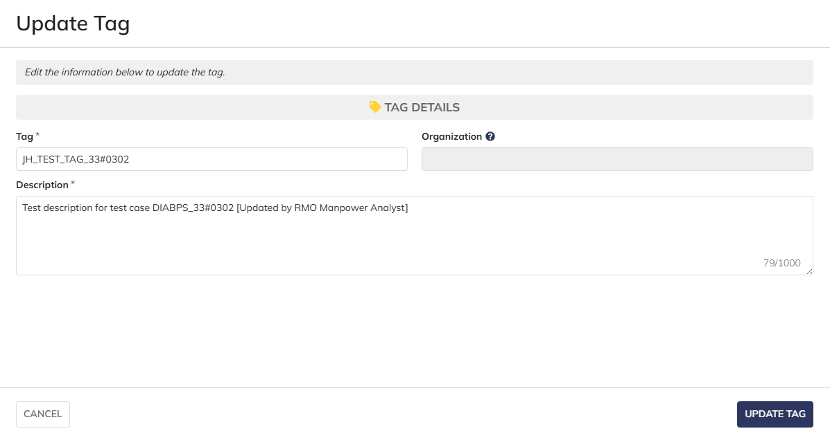
 |  |  | User can edit the Tag and Description
 |  |  | For Organization, the field is blank and disabled for editing

 |  |  | User successfully updates a system-wide tag. All entered data is saved and audit information is saved

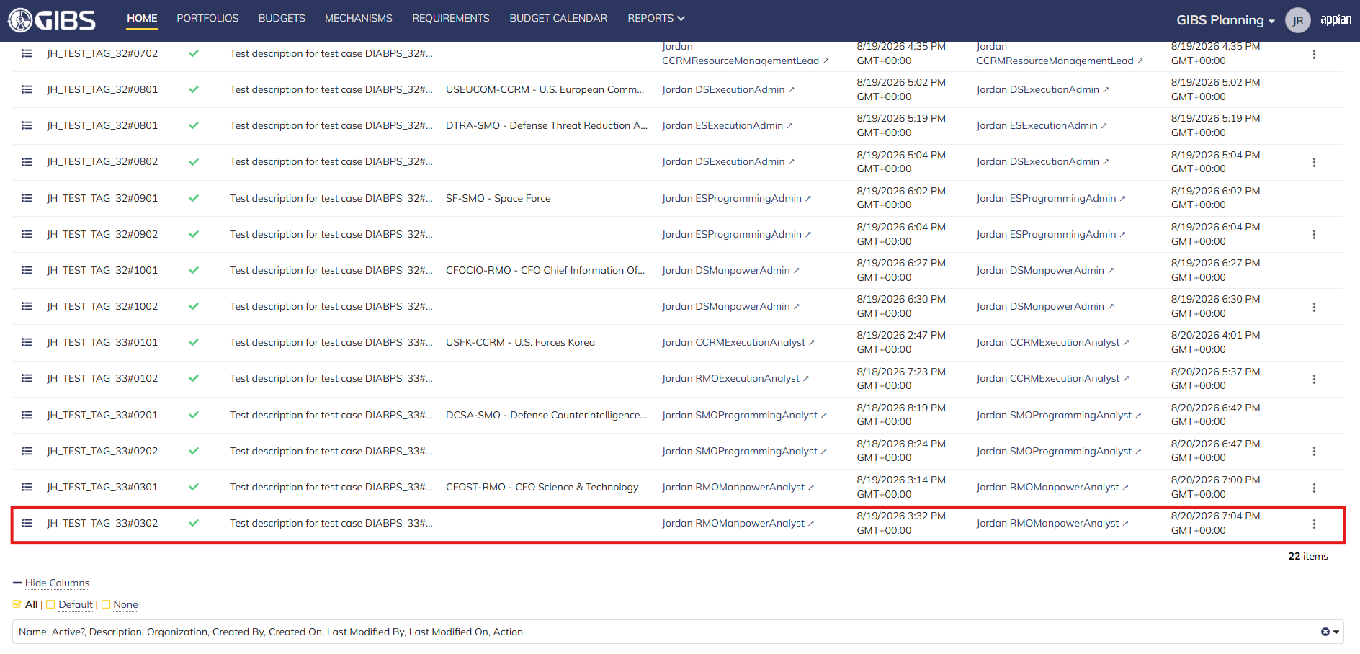
 |  |  | Grid row reflects the same data

Scenario 3
 |  |  | Summary View of a tag associated to a different organization. The "ACTIONS" button is hidden

Execution Lead
DIABPS Sprint 1.1 - DIABPS-33 TEST CASES |  |  |  | TESTER INFO
Test Case ID: | DIABPS_33#04 |  |  | Created By: | Jordan Helman
User Story: | DIABPS-33 - Update a Tag (System-Wide) |  |  | Created On: | 2026-08-03
Story Description: | As a(n) Execution Admin, Programming Admin, Manpower Admin, Resource Management Lead, Execution Lead, Programming Lead, Manpower Lead, Execution Analyst, Programming Analyst, or Manpower Analyst, I can update a Tag within my organization or system-wide Tags. |  |  | Reviewed By: | Kana Raghavan
User Role: | Execution Lead |  |  | Reviewed On: | 2026-08-14
Acceptance Criteria: |  |  |  | Executed By: | Jordan Helman
Environment: | DIABPS Test |  |  | Executed On: | 2026-08-20

TEST SCENARIO 1
Test Scenario: | An Execution Lead can update a tag that is within their organization.
Pre-Conditions: | At least 1 Active Tag with an associated organization exists in the system (the organization must be one that the Execution Lead is within)
Execution Steps: |  | Input Data | Expected Result | Pass/Fail | Comments
STEP 1 | Log in as an Execution Lead https://ams-test.appiancloud.us/suite/ | Username: jordan.smoexecutionlead | The user logs in successfully and is now on the Planning Module Home page | Pass | [Jordan]: Tested as SMO
STEP 2 | Click the "TAGS" action located under ACTIONS & RESOURCES |  | The Tags record page displays | Pass
STEP 3 | In the grid, locate the row for the Tag referenced in Pre-Conditions |  |  | Pass | [Jordan]: User is in "AF-SMO - Air Force", so the Tag is associated to that same organization
STEP 4 | Click the "View Details" icon located in the left-most column |  | A Tag summary view displays | Pass
STEP 5 | Click the "ACTIONS" button located on the right-side of the page |  | The "Update Tag" action is available | Pass
STEP 6 | Click the "Update Tag" action |  | The Tag update form displays in a pop-up window | Pass
STEP 7 | Tag* Text Field Verify the field is pre-populated with record's current "Tag" value |  |  | Pass
STEP 8 | Clear the field and enter a different valid Tag | Tag: JH_TEST_TAG_33#0401 | The entered value persists with no error/validation message | Pass
STEP 9 | Description* Paragraph Field Verify the field is pre-populated with the record's current "Description" value |  |  | Pass
STEP 10 | Clear the field and enter a different valid Description | Description: Test description for test case DIABPS_33#0401 [Updated by SMO Execution Lead] | The entered value persists with no error/validation message | Pass
STEP 11 | Organization Picker Field Tooltip: "Leave blank to make this tag available system-wide to all users" Verify the field is pre-populated with the record's current "Organization" value |  |  | Pass
STEP 12 | Verify the field is disabled and cannot be edited |  |  | Pass
STEP 13 | Click the "UPDATE TAG" button |  | The pop-up window closes | Pass
STEP 14 | Verify the "Tag" and "Description" fields reflect the updated values |  |  | Pass
STEP 15 | Verify the "Last Modified By" field is set to the logged-in user, and the "Last Modified On" field is set to the time you updated the Tag |  |  | Pass
STEP 16 | Click the "All Tags" link located on the left-side of the page |  | The Tags record page displays | Pass
STEP 17 | Scroll to the bottom of the page and click the "Show Columns" link |  | A column selection section appears | Pass
STEP 18 | Click the "All" link |  | The "Last Modified By" and "Last Modified On" columns are added to the Tag record grid | Pass
STEP 19 | Locate the row for the updated Tag |  |  | Pass
STEP 20 | Verify the "Tag" and "Description" columns reflect the updated values |  |  | Pass
STEP 21 | Verify the "Last Modified By" column is set to the logged-in user, and the "Last Modified On" column is set to the time you updated the Tag |  |  | Pass
STEP 22 | Log out |  | The user is logged out of the application | Pass
Overall Status: | 1. The Tag has been successfully updated 2. All data entered by the user is saved 3. The system logs who updated the tag and the timestamp |  |  | Pass

TEST SCENARIO 2
Test Scenario: | An Execution Lead can update a system-wide tag.
Pre-Conditions: | At least 1 Active Tag with no associated organization exists in the system
Execution Steps: |  | Input Data | Expected Result | Pass/Fail | Comments
STEP 1 | Log in as an Execution Lead https://ams-test.appiancloud.us/suite/ | Username: jordan.smoexecutionlead | The user logs in successfully and is now on the Planning Module Home page | Pass | [Jordan]: Tested as SMO
STEP 2 | Click the "TAGS" action located under ACTIONS & RESOURCES |  | The Tags record page displays | Pass
STEP 3 | In the grid, locate the row for the Tag referenced in Pre-Conditions |  |  | Pass
STEP 4 | Click the "View Details" icon located in the left-most column |  | A Tag summary view displays | Pass
STEP 5 | Click the "ACTIONS" button located on the right-side of the page |  | The "Update Tag" action is available | Pass
STEP 6 | Click the "Update Tag" action |  | The Tag update form displays in a pop-up window | Pass
STEP 7 | Tag* Text Field Verify the field is pre-populated with record's current "Tag" value |  |  | Pass
STEP 8 | Clear the field and enter a different valid Tag | Tag: JH_TEST_TAG_33#0402 | The entered value persists with no error/validation message | Pass
STEP 9 | Description* Paragraph Field Verify the field is pre-populated with the record's current "Description" value |  |  | Pass
STEP 10 | Clear the field and enter a different valid Description | Description: Test description for test case DIABPS_33#0402 [Updated by SMO Execution Lead] | The entered value persists with no error/validation message | Pass
STEP 11 | Organization Picker Field Verify the field is blank |  |  | Pass
STEP 12 | Verify the field is disabled and cannot be edited |  |  | Pass
STEP 13 | Click the "UPDATE TAG" button |  | The pop-up window closes | Pass
STEP 14 | Verify the "Tag" and "Description" fields reflect the updated values |  |  | Pass
STEP 15 | Verify the "Last Modified By" field is set to the logged-in user, and the "Last Modified On" field is set to the time you updated the Tag |  |  | Pass
STEP 16 | Click the "All Tags" link located on the left-side of the page |  | The Tags record page displays | Pass
STEP 17 | Scroll to the bottom of the page and click the "Show Columns" link |  | A column selection section appears | Pass
STEP 18 | Click the "All" link |  | The "Last Modified By" and "Last Modified On" columns are added to the Tag record grid | Pass
STEP 19 | Locate the row for the updated Tag |  |  | Pass
STEP 20 | Verify the "Tag" and "Description" columns reflect the updated values |  |  | Pass
STEP 21 | Verify the "Last Modified By" column is set to the logged-in user, and the "Last Modified On" column is set to the time you updated the Tag |  |  | Pass
STEP 22 | Log out |  | The user is logged out of the application | Pass
Overall Status: | 1. The Tag has been successfully updated 2. All data entered by the user is saved 3. The system logs who updated the tag and the timestamp |  |  | Pass

TEST SCENARIO 3
Test Scenario: | An Execution Lead cannot update a Tag associated to an organization they are not within.
Pre-Conditions: | At least 1 Active Tag with an associated organization exists in the system (the organization must be one that the Execution Lead is NOT within)
Execution Steps: |  | Input Data | Expected Result | Pass/Fail | Comments
STEP 1 | Log in as an Execution Lead https://ams-test.appiancloud.us/suite/ | Username: jordan.smoexecutionlead | The user logs in successfully and is now on the Planning Module Home page | Pass | [Jordan]: Tested as SMO
STEP 2 | Click the "TAGS" action located under ACTIONS & RESOURCES |  | The Tags record page will display | Pass
STEP 3 | In the grid, locate the row for the Tag referenced in Pre-Conditions |  |  | Pass | [Jordan]: User is in "AF-SMO - Air Force", so the Tag is associated to a different organization
STEP 4 | Click the "View Details" icon located in the left-most column |  | A Tag summary view displays | Pass
STEP 5 | Verify the "ACTIONS" button does not appear on this page |  |  | Pass
STEP 6 | Log out |  | The user is logged out of the application | Pass
Overall Status: | The user cannot access the "Update Tag" action |  |  | Pass

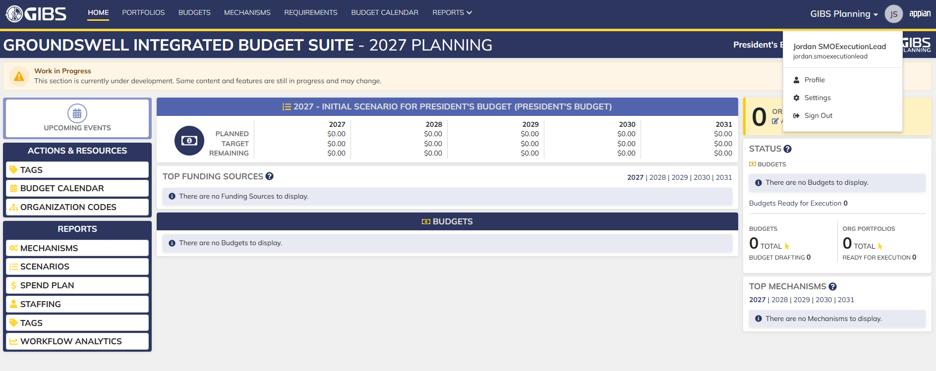
Evidences:
Scenario 1
 |  |  | Planning home page

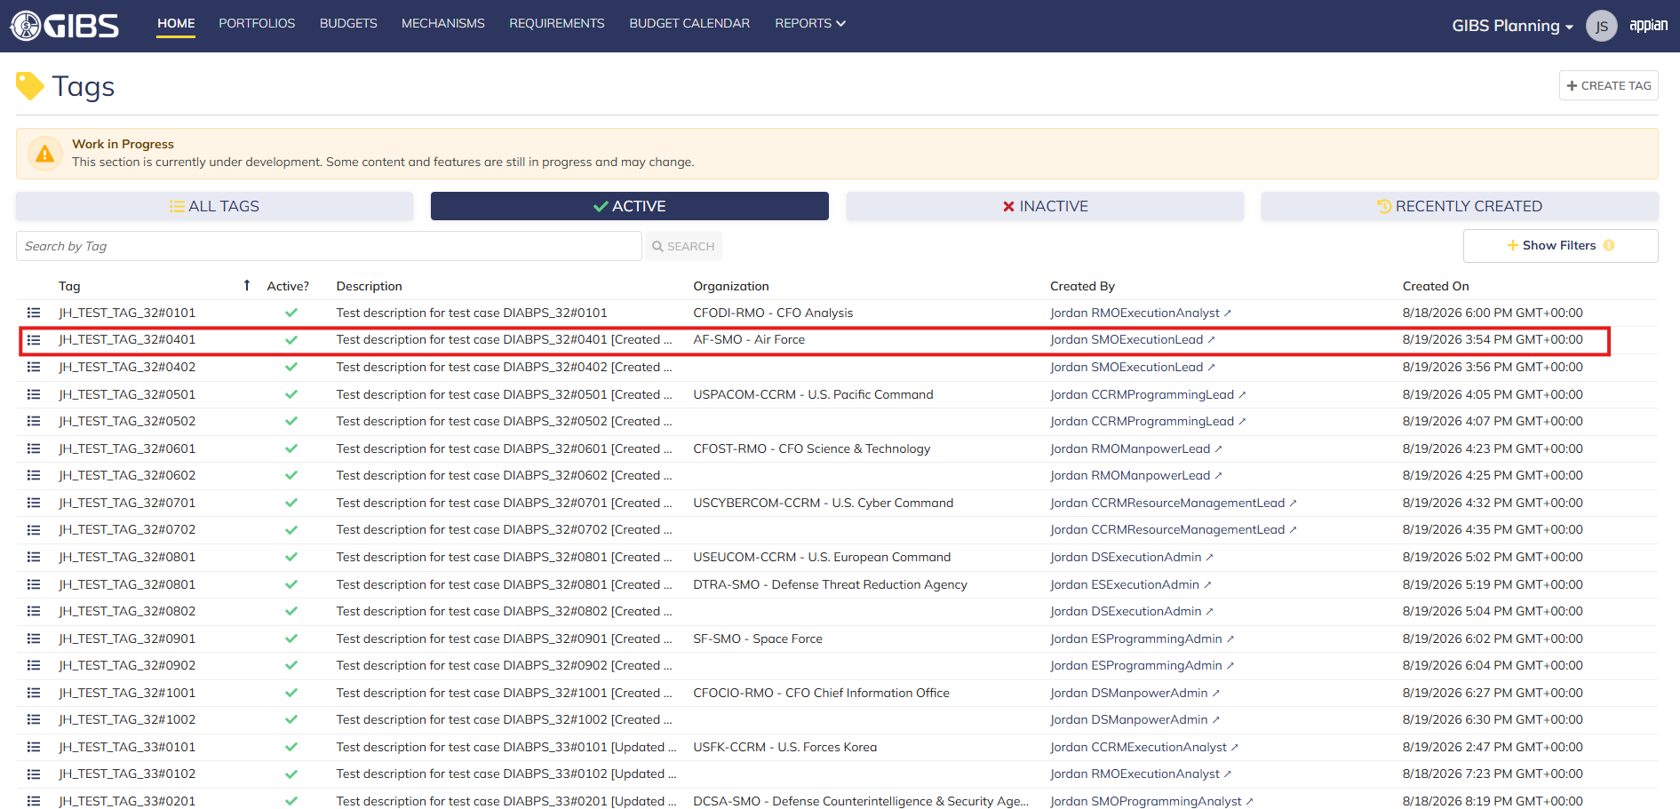
 |  |  | Tags record page. Tag referenced in Pre-Conditions noted

 |  |  | Summary View of referenced Tag. The "Update Tag" action is available under the "ACTIONS" button

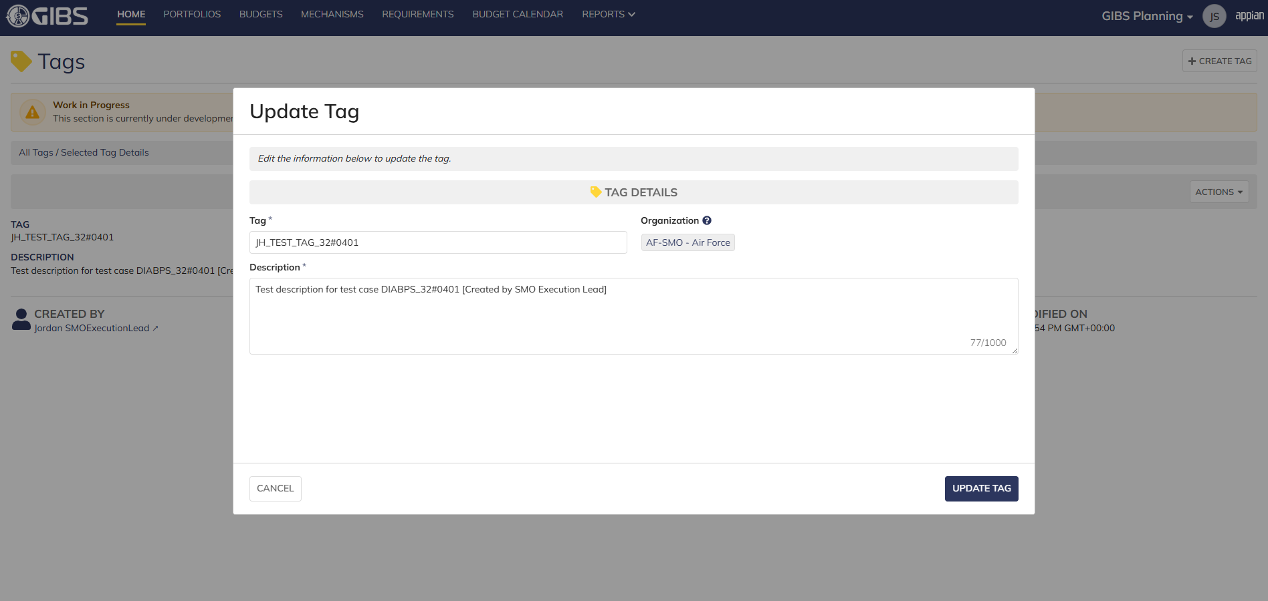
 |  |  | Tag update form in pop-up window. Matching data pre-populates each field


 |  |  | User can edit the Tag and Description
 |  |  | For Organization, the field is disabled for editing

 |  |  | User successfully updates a tag within their organization. All entered data is saved and audit information is saved

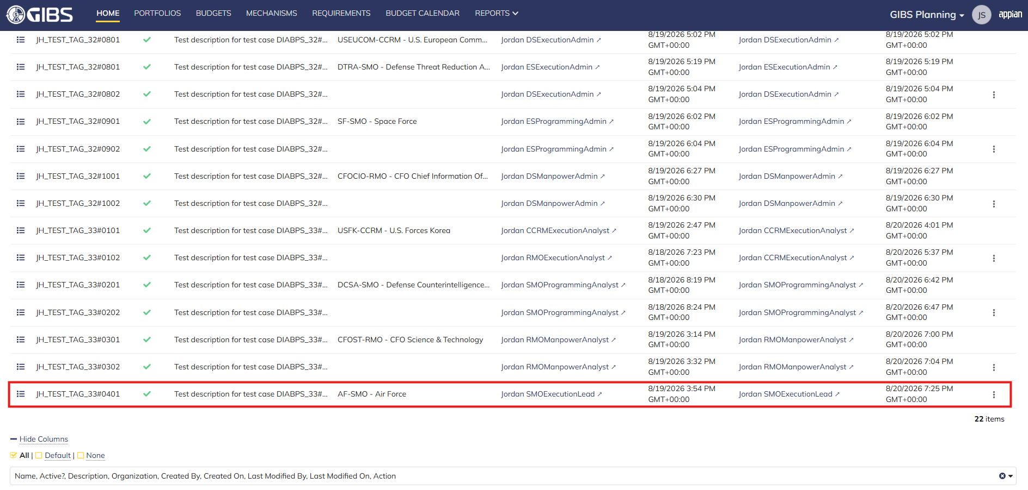
 |  |  | Grid row reflects the same data

Scenario 2
 |  |  | Summary View of referenced Tag. The "Update Tag" action is available under the "ACTIONS" button


 |  |  | User can edit the Tag and Description
 |  |  | For Organization, the field is blank and disabled for editing

 |  |  | User successfully updates a system-wide tag. All entered data is saved and audit information is saved

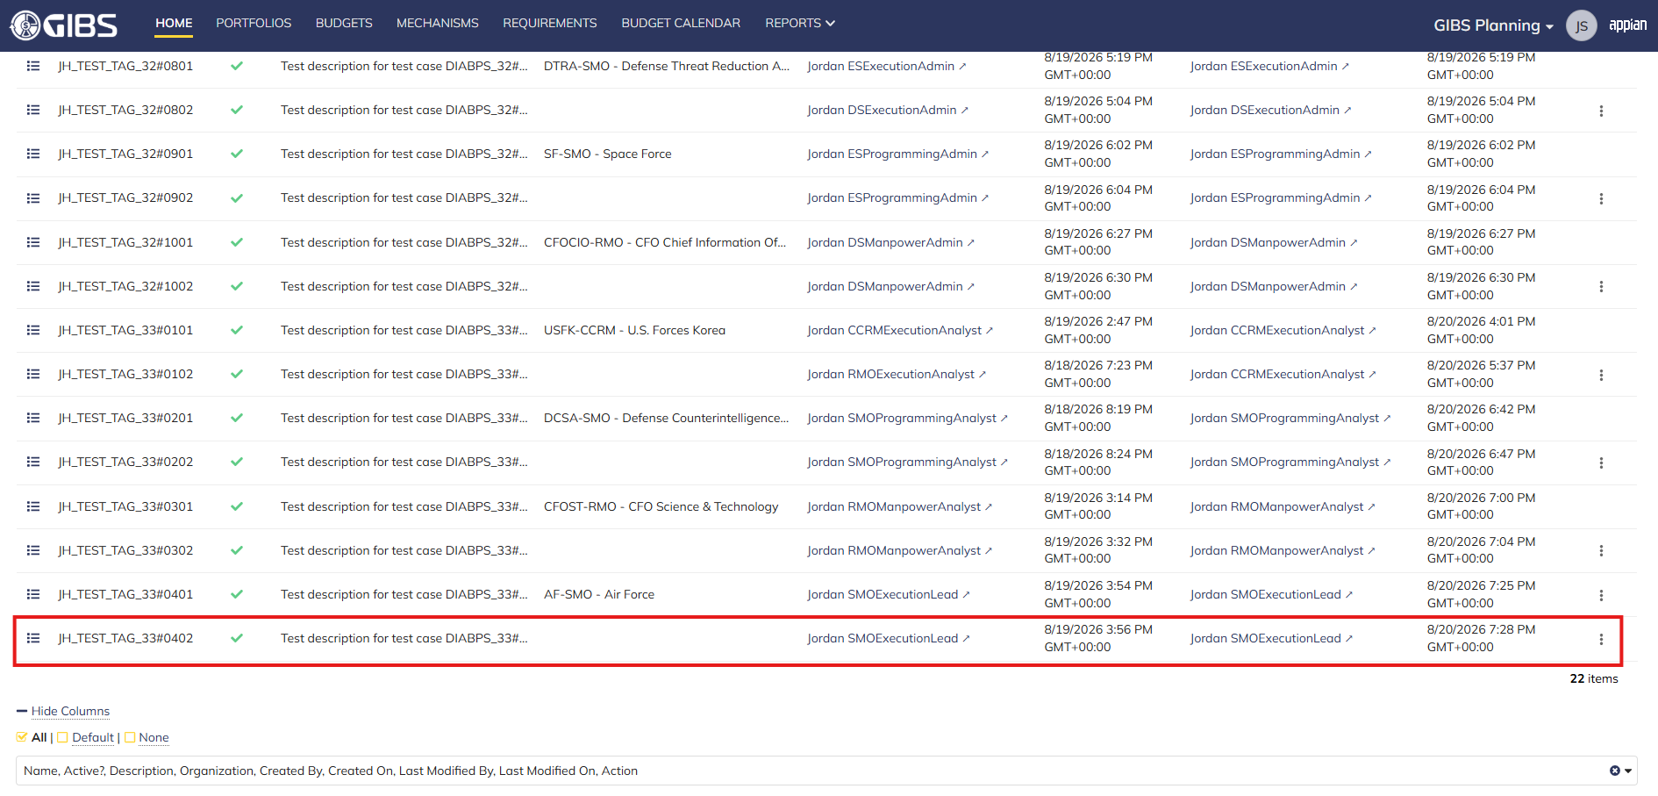
 |  |  | Grid row reflects the same data

Scenario 3
 |  |  | Summary View of a tag associated to a different organization. The "ACTIONS" button is hidden

Programming Lead
DIABPS Sprint 1.1 - DIABPS-33 TEST CASES |  |  |  | TESTER INFO
Test Case ID: | DIABPS_33#05 |  |  | Created By: | Jordan Helman
User Story: | DIABPS-33 - Update a Tag (System-Wide) |  |  | Created On: | 2026-08-03
Story Description: | As a(n) Execution Admin, Programming Admin, Manpower Admin, Resource Management Lead, Execution Lead, Programming Lead, Manpower Lead, Execution Analyst, Programming Analyst, or Manpower Analyst, I can update a Tag within my organization or system-wide Tags. |  |  | Reviewed By: | Kana Raghavan
User Role: | Programming Lead |  |  | Reviewed On: | 2026-08-14
Acceptance Criteria: |  |  |  | Executed By: | Jordan Helman
Environment: | DIABPS Test |  |  | Executed On: | 2026-08-20

TEST SCENARIO 1
Test Scenario: | A Programming Lead can update a tag that is within their organization.
Pre-Conditions: | At least 1 Active Tag with an associated organization exists in the system (the organization must be one that the Programming Lead is within)
Execution Steps: |  | Input Data | Expected Result | Pass/Fail | Comments
STEP 1 | Log in as a Programming Lead https://ams-test.appiancloud.us/suite/ | Username: jordan.ccrmprogramminglead | The user logs in successfully and is now on the Planning Module Home page | Pass | [Jordan]: Tested as CCRM
STEP 2 | Click the "TAGS" action located under ACTIONS & RESOURCES |  | The Tags record page displays | Pass
STEP 3 | In the grid, locate the row for the Tag referenced in Pre-Conditions |  |  | Pass | [Jordan]: User is in "USPACOM-CCRM - U.S. Pacific Command", so the Tag is associated to that same organization
STEP 4 | Click the "View Details" icon located in the left-most column |  | A Tag summary view displays | Pass
STEP 5 | Click the "ACTIONS" button located on the right-side of the page |  | The "Update Tag" action is available | Pass
STEP 6 | Click the "Update Tag" action |  | The Tag update form displays in a pop-up window | Pass
STEP 7 | Tag* Text Field Verify the field is pre-populated with record's current "Tag" value |  |  | Pass
STEP 8 | Clear the field and enter a different valid Tag | Tag: JH_TEST_TAG_33#0501 | The entered value persists with no error/validation message | Pass
STEP 9 | Description* Paragraph Field Verify the field is pre-populated with the record's current "Description" value |  |  | Pass
STEP 10 | Clear the field and enter a different valid Description | Description: Test description for test case DIABPS_33#0501 [Updated by CCRM Programming Lead] | The entered value persists with no error/validation message | Pass
STEP 11 | Organization Picker Field Tooltip: "Leave blank to make this tag available system-wide to all users" Verify the field is pre-populated with the record's current "Organization" value |  |  | Pass
STEP 12 | Verify the field is disabled and cannot be edited |  |  | Pass
STEP 13 | Click the "UPDATE TAG" button |  | The pop-up window closes | Pass
STEP 14 | Verify the "Tag" and "Description" fields reflect the updated values |  |  | Pass
STEP 15 | Verify the "Last Modified By" field is set to the logged-in user, and the "Last Modified On" field is set to the time you updated the Tag |  |  | Pass
STEP 16 | Click the "All Tags" link located on the left-side of the page |  | The Tags record page displays | Pass
STEP 17 | Scroll to the bottom of the page and click the "Show Columns" link |  | A column selection section appears | Pass
STEP 18 | Click the "All" link |  | The "Last Modified By" and "Last Modified On" columns are added to the Tag record grid | Pass
STEP 19 | Locate the row for the updated Tag |  |  | Pass
STEP 20 | Verify the "Tag" and "Description" columns reflect the updated values |  |  | Pass
STEP 21 | Verify the "Last Modified By" column is set to the logged-in user, and the "Last Modified On" column is set to the time you updated the Tag |  |  | Pass
STEP 22 | Log out |  | The user is logged out of the application | Pass
Overall Status: | 1. The Tag has been successfully updated 2. All data entered by the user is saved 3. The system logs who updated the tag and the timestamp |  |  | Pass

TEST SCENARIO 2
Test Scenario: | A Programming Lead can update a system-wide tag.
Pre-Conditions: | At least 1 Active Tag with no associated organization exists in the system
Execution Steps: |  | Input Data | Expected Result | Pass/Fail | Comments
STEP 1 | Log in as a Programming Lead https://ams-test.appiancloud.us/suite/ | Username: jordan.ccrmprogramminglead | The user logs in successfully and is now on the Planning Module Home page | Pass | [Jordan]: Tested as CCRM
STEP 2 | Click the "TAGS" action located under ACTIONS & RESOURCES |  | The Tags record page displays | Pass
STEP 3 | In the grid, locate the row for the Tag referenced in Pre-Conditions |  |  | Pass
STEP 4 | Click the "View Details" icon located in the left-most column |  | A Tag summary view displays | Pass
STEP 5 | Click the "ACTIONS" button located on the right-side of the page |  | The "Update Tag" action is available | Pass
STEP 6 | Click the "Update Tag" action |  | The Tag update form displays in a pop-up window | Pass
STEP 7 | Tag* Text Field Verify the field is pre-populated with record's current "Tag" value |  |  | Pass
STEP 8 | Clear the field and enter a different valid Tag | Tag: JH_TEST_TAG_33#0502 | The entered value persists with no error/validation message | Pass
STEP 9 | Description* Paragraph Field Verify the field is pre-populated with the record's current "Description" value |  |  | Pass
STEP 10 | Clear the field and enter a different valid Description | Description: Test description for test case DIABPS_33#0502 [Updated by CCRM Programming Lead] | The entered value persists with no error/validation message | Pass
STEP 11 | Organization Picker Field Verify the field is blank |  |  | Pass
STEP 12 | Verify the field is disabled and cannot be edited |  |  | Pass
STEP 13 | Click the "UPDATE TAG" button |  | The pop-up window closes | Pass
STEP 14 | Verify the "Tag" and "Description" fields reflect the updated values |  |  | Pass
STEP 15 | Verify the "Last Modified By" field is set to the logged-in user, and the "Last Modified On" field is set to the time you updated the Tag |  |  | Pass
STEP 16 | Click the "All Tags" link located on the left-side of the page |  | The Tags record page displays | Pass
STEP 17 | Scroll to the bottom of the page and click the "Show Columns" link |  | A column selection section appears | Pass
STEP 18 | Click the "All" link |  | The "Last Modified By" and "Last Modified On" columns are added to the Tag record grid | Pass
STEP 19 | Locate the row for the updated Tag |  |  | Pass
STEP 20 | Verify the "Tag" and "Description" columns reflect the updated values |  |  | Pass
STEP 21 | Verify the "Last Modified By" column is set to the logged-in user, and the "Last Modified On" column is set to the time you updated the Tag |  |  | Pass
STEP 22 | Log out |  | The user is logged out of the application | Pass
Overall Status: | 1. The Tag has been successfully updated 2. All data entered by the user is saved 3. The system logs who updated the tag and the timestamp |  |  | Pass

TEST SCENARIO 3
Test Scenario: | A Programming Lead cannot update a Tag associated to an organization they are not within.
Pre-Conditions: | At least 1 Active Tag with an associated organization exists in the system (the organization must be one that the Programming Lead is NOT within)
Execution Steps: |  | Input Data | Expected Result | Pass/Fail | Comments
STEP 1 | Log in as a Programming Lead https://ams-test.appiancloud.us/suite/ | Username: jordan.ccrmprogramminglead | The user logs in successfully and is now on the Planning Module Home page | Pass | [Jordan]: Tested as CCRM
STEP 2 | Click the "TAGS" action located under ACTIONS & RESOURCES |  | The Tags record page will display | Pass
STEP 3 | In the grid, locate the row for the Tag referenced in Pre-Conditions |  |  | Pass | [Jordan]: User is in "USPACOM-CCRM - U.S. Pacific Command", so the Tag is associated to a different organization
STEP 4 | Click the "View Details" icon located in the left-most column |  | A Tag summary view displays | Pass
STEP 5 | Verify the "ACTIONS" button does not appear on this page |  |  | Pass
STEP 6 | Log out |  | The user is logged out of the application | Pass
Overall Status: | The user cannot access the "Update Tag" action |  |  | Pass

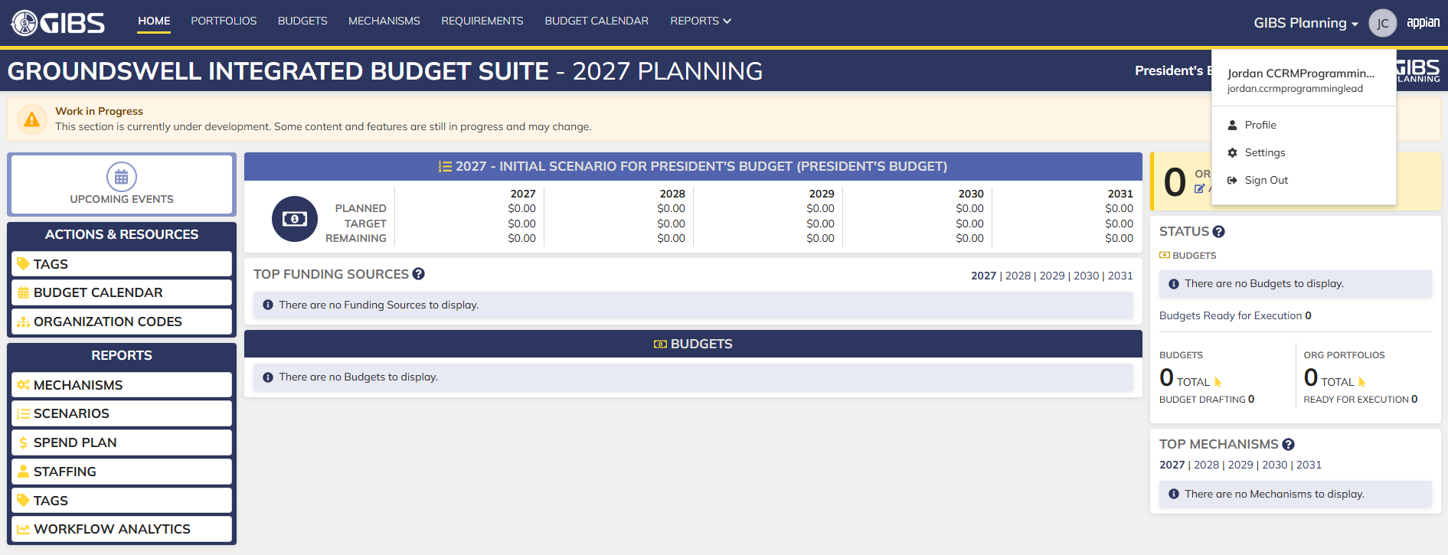
Evidences:
Scenario 1
 |  |  | Planning home page

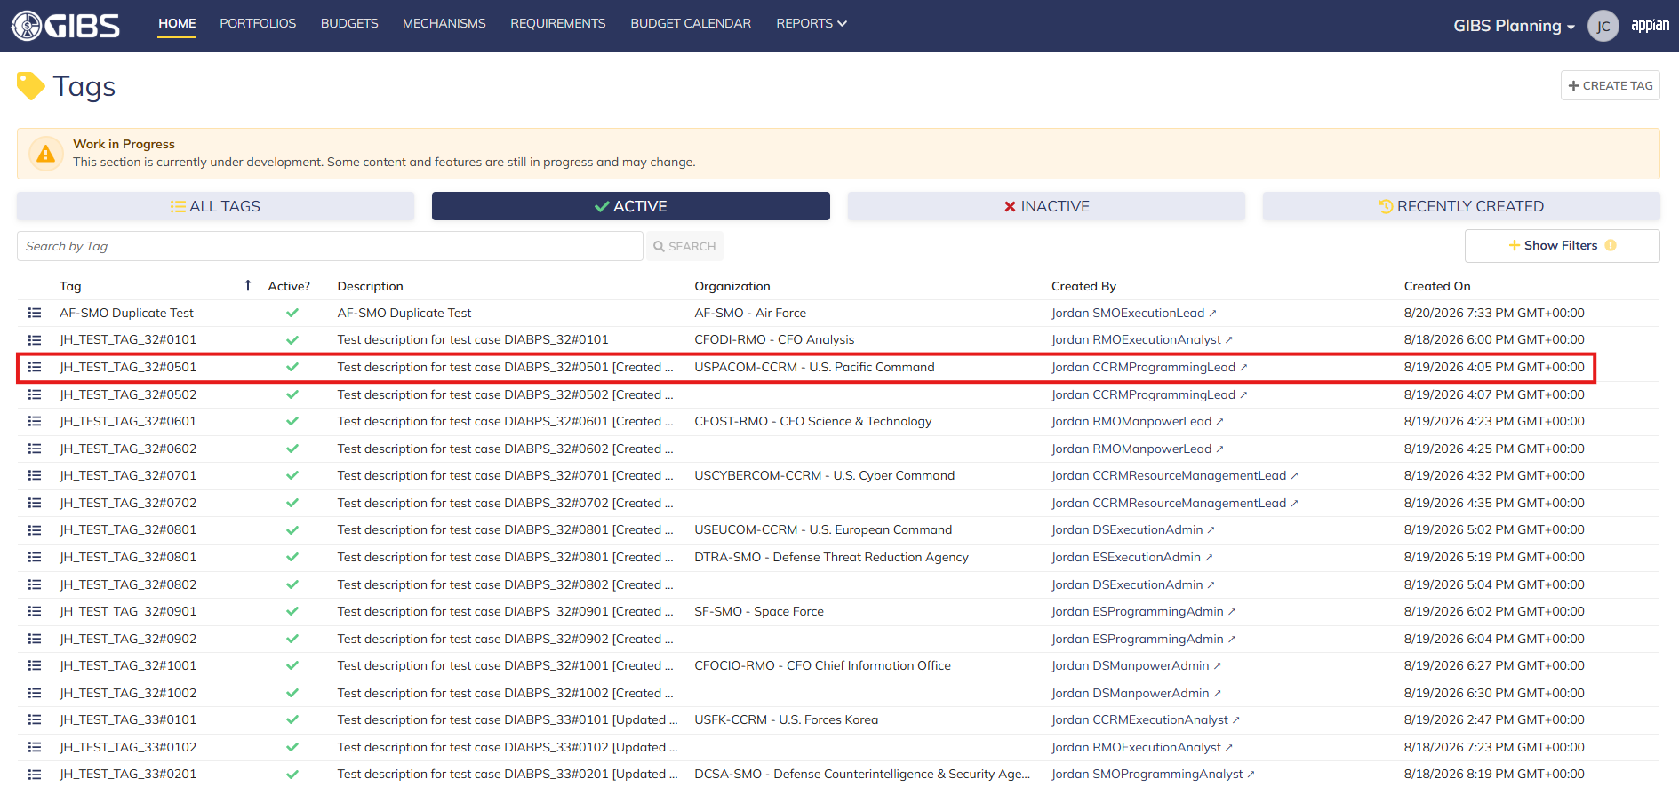
 |  |  | Tags record page. Tag referenced in Pre-Conditions noted

 |  |  | Summary View of referenced Tag. The "Update Tag" action is available under the "ACTIONS" button

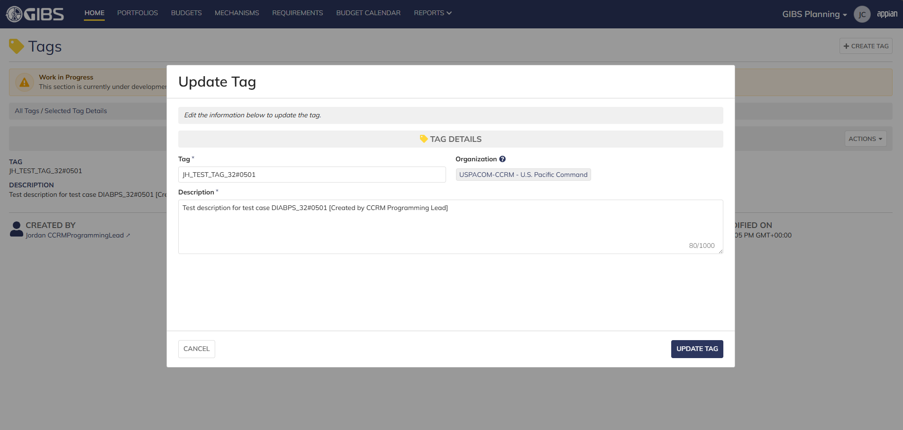
 |  |  | Tag update form in pop-up window. Matching data pre-populates each field


 |  |  | User can edit the Tag and Description
 |  |  | For Organization, the field is disabled for editing

 |  |  | User successfully updates a tag within their organization. All entered data is saved and audit information is saved

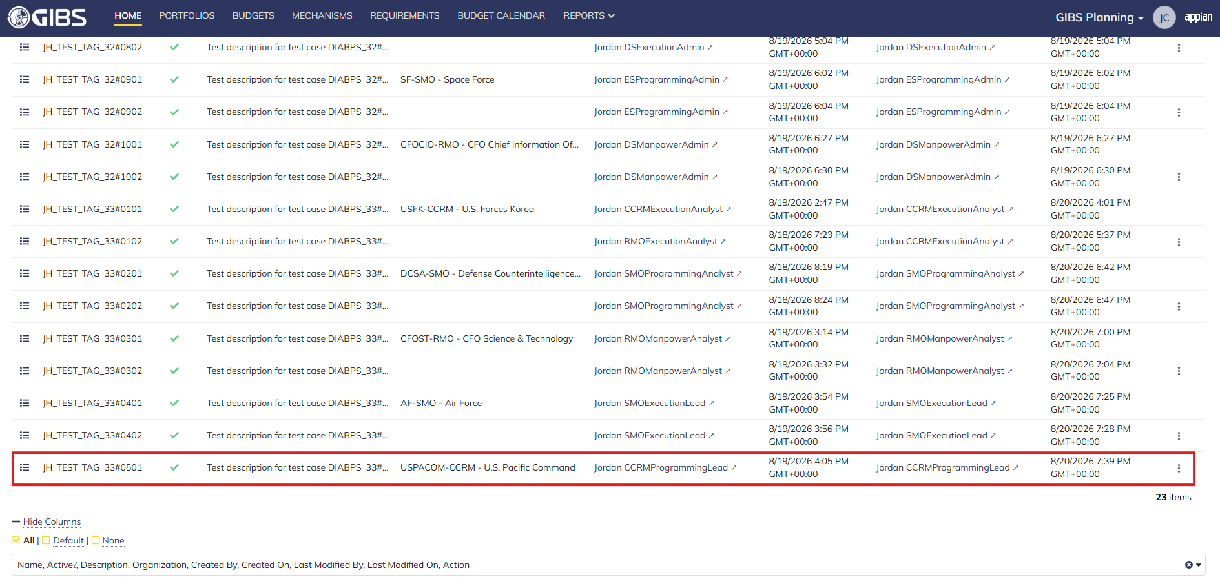
 |  |  | Grid row reflects the same data

Scenario 2
 |  |  | Summary View of referenced Tag. The "Update Tag" action is available under the "ACTIONS" button


 |  |  | User can edit the Tag and Description
 |  |  | For Organization, the field is blank and disabled for editing

 |  |  | User successfully updates a system-wide tag. All entered data is saved and audit information is saved

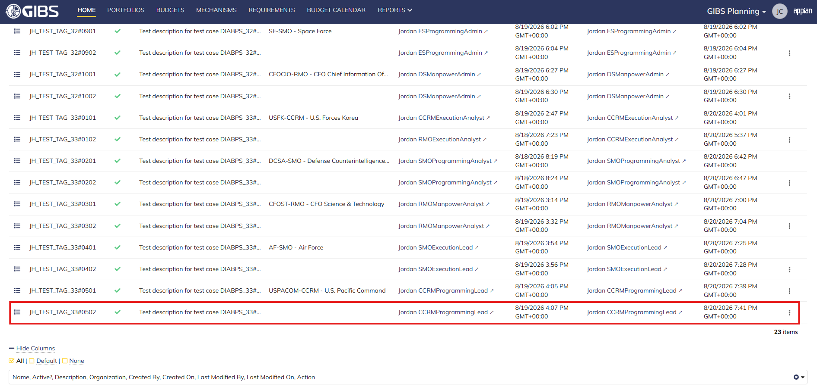
 |  |  | Grid row reflects the same data

Scenario 3
 |  |  | Summary View of a tag associated to a different organization. The "ACTIONS" button is hidden

Manpower Lead
DIABPS Sprint 1.1 - DIABPS-33 TEST CASES |  |  |  | TESTER INFO
Test Case ID: | DIABPS_33#06 |  |  | Created By: | Jordan Helman
User Story: | DIABPS-33 - Update a Tag (System-Wide) |  |  | Created On: | 2026-08-03
Story Description: | As a(n) Execution Admin, Programming Admin, Manpower Admin, Resource Management Lead, Execution Lead, Programming Lead, Manpower Lead, Execution Analyst, Programming Analyst, or Manpower Analyst, I can update a Tag within my organization or system-wide Tags. |  |  | Reviewed By: | Kana Raghavan
User Role: | Manpower Lead |  |  | Reviewed On: | 2026-08-14
Acceptance Criteria: |  |  |  | Executed By: | Jordan Helman
Environment: | DIABPS Test |  |  | Executed On: | 2026-08-20

TEST SCENARIO 1
Test Scenario: | A Manpower Lead can update a tag that is within their organization.
Pre-Conditions: | At least 1 Active Tag with an associated organization exists in the system (the organization must be one that the Manpower Lead is within)
Execution Steps: |  | Input Data | Expected Result | Pass/Fail | Comments
STEP 1 | Log in as a Manpower Lead https://ams-test.appiancloud.us/suite/ | Username: jordan.rmomanpowerlead | The user logs in successfully and is now on the Planning Module Home page | Pass | [Jordan]: Tested as RMO
STEP 2 | Click the "TAGS" action located under ACTIONS & RESOURCES |  | The Tags record page displays | Pass
STEP 3 | In the grid, locate the row for the Tag referenced in Pre-Conditions |  |  | Pass | [Jordan]: User is in "CFOST-RMO - CFO Science & Technology", so the Tag is associated to that same organization
STEP 4 | Click the "View Details" icon located in the left-most column |  | A Tag summary view displays | Pass
STEP 5 | Click the "ACTIONS" button located on the right-side of the page |  | The "Update Tag" action is available | Pass
STEP 6 | Click the "Update Tag" action |  | The Tag update form displays in a pop-up window | Pass
STEP 7 | Tag* Text Field Verify the field is pre-populated with record's current "Tag" value |  |  | Pass
STEP 8 | Clear the field and enter a different valid Tag | Tag: JH_TEST_TAG_33#0601 | The entered value persists with no error/validation message | Pass
STEP 9 | Description* Paragraph Field Verify the field is pre-populated with the record's current "Description" value |  |  | Pass
STEP 10 | Clear the field and enter a different valid Description | Description: Test description for test case DIABPS_33#0601 [Updated by RMO Manpower Lead] | The entered value persists with no error/validation message | Pass
STEP 11 | Organization Picker Field Tooltip: "Leave blank to make this tag available system-wide to all users" Verify the field is pre-populated with the record's current "Organization" value |  |  | Pass
STEP 12 | Verify the field is disabled and cannot be edited |  |  | Pass
STEP 13 | Click the "UPDATE TAG" button |  | The pop-up window closes | Pass
STEP 14 | Verify the "Tag" and "Description" fields reflect the updated values |  |  | Pass
STEP 15 | Verify the "Last Modified By" field is set to the logged-in user, and the "Last Modified On" field is set to the time you updated the Tag |  |  | Pass
STEP 16 | Click the "All Tags" link located on the left-side of the page |  | The Tags record page displays | Pass
STEP 17 | Scroll to the bottom of the page and click the "Show Columns" link |  | A column selection section appears | Pass
STEP 18 | Click the "All" link |  | The "Last Modified By" and "Last Modified On" columns are added to the Tag record grid | Pass
STEP 19 | Locate the row for the updated Tag |  |  | Pass
STEP 20 | Verify the "Tag" and "Description" columns reflect the updated values |  |  | Pass
STEP 21 | Verify the "Last Modified By" column is set to the logged-in user, and the "Last Modified On" column is set to the time you updated the Tag |  |  | Pass
STEP 22 | Log out |  | The user is logged out of the application | Pass
Overall Status: | 1. The Tag has been successfully updated 2. All data entered by the user is saved 3. The system logs who updated the tag and the timestamp |  |  | Pass

TEST SCENARIO 2
Test Scenario: | A Manpower Lead can update a system-wide tag.
Pre-Conditions: | At least 1 Active Tag with no associated organization exists in the system
Execution Steps: |  | Input Data | Expected Result | Pass/Fail | Comments
STEP 1 | Log in as a Manpower Lead https://ams-test.appiancloud.us/suite/ | Username: jordan.rmomanpowerlead | The user logs in successfully and is now on the Planning Module Home page | Pass | [Jordan]: Tested as RMO
STEP 2 | Click the "TAGS" action located under ACTIONS & RESOURCES |  | The Tags record page displays | Pass
STEP 3 | In the grid, locate the row for the Tag referenced in Pre-Conditions |  |  | Pass
STEP 4 | Click the "View Details" icon located in the left-most column |  | A Tag summary view displays | Pass
STEP 5 | Click the "ACTIONS" button located on the right-side of the page |  | The "Update Tag" action is available | Pass
STEP 6 | Click the "Update Tag" action |  | The Tag update form displays in a pop-up window | Pass
STEP 7 | Tag* Text Field Verify the field is pre-populated with record's current "Tag" value |  |  | Pass
STEP 8 | Clear the field and enter a different valid Tag | Tag: JH_TEST_TAG_33#0602 | The entered value persists with no error/validation message | Pass
STEP 9 | Description* Paragraph Field Verify the field is pre-populated with the record's current "Description" value |  |  | Pass
STEP 10 | Clear the field and enter a different valid Description | Description: Test description for test case DIABPS_33#0602 [Updated by RMO Manpower Lead] | The entered value persists with no error/validation message | Pass
STEP 11 | Organization Picker Field Verify the field is blank |  |  | Pass
STEP 12 | Verify the field is disabled and cannot be edited |  |  | Pass
STEP 13 | Click the "UPDATE TAG" button |  | The pop-up window closes | Pass
STEP 14 | Verify the "Tag" and "Description" fields reflect the updated values |  |  | Pass
STEP 15 | Verify the "Last Modified By" field is set to the logged-in user, and the "Last Modified On" field is set to the time you updated the Tag |  |  | Pass
STEP 16 | Click the "All Tags" link located on the left-side of the page |  | The Tags record page displays | Pass
STEP 17 | Scroll to the bottom of the page and click the "Show Columns" link |  | A column selection section appears | Pass
STEP 18 | Click the "All" link |  | The "Last Modified By" and "Last Modified On" columns are added to the Tag record grid | Pass
STEP 19 | Locate the row for the updated Tag |  |  | Pass
STEP 20 | Verify the "Tag" and "Description" columns reflect the updated values |  |  | Pass
STEP 21 | Verify the "Last Modified By" column is set to the logged-in user, and the "Last Modified On" column is set to the time you updated the Tag |  |  | Pass
STEP 22 | Log out |  | The user is logged out of the application | Pass
Overall Status: | 1. The Tag has been successfully updated 2. All data entered by the user is saved 3. The system logs who updated the tag and the timestamp |  |  | Pass

TEST SCENARIO 3
Test Scenario: | A Manpower Lead cannot update a Tag associated to an organization they are not within.
Pre-Conditions: | At least 1 Active Tag with an associated organization exists in the system (the organization must be one that the Manpower Lead is NOT within)
Execution Steps: |  | Input Data | Expected Result | Pass/Fail | Comments
STEP 1 | Log in as a Manpower Lead https://ams-test.appiancloud.us/suite/ | Username: jordan.rmomanpowerlead | The user logs in successfully and is now on the Planning Module Home page | Pass | [Jordan]: Tested as RMO
STEP 2 | Click the "TAGS" action located under ACTIONS & RESOURCES |  | The Tags record page will display | Pass
STEP 3 | In the grid, locate the row for the Tag referenced in Pre-Conditions |  |  | Pass | [Jordan]: User is in "CFOST-RMO - CFO Science & Technology", so the Tag is associated to a different organization
STEP 4 | Click the "View Details" icon located in the left-most column |  | A Tag summary view displays | Pass
STEP 5 | Verify the "ACTIONS" button does not appear on this page |  |  | Pass
STEP 6 | Log out |  | The user is logged out of the application | Pass
Overall Status: | The user cannot access the "Update Tag" action |  |  | Pass


Evidences:
Scenario 1
 |  |  | Planning home page

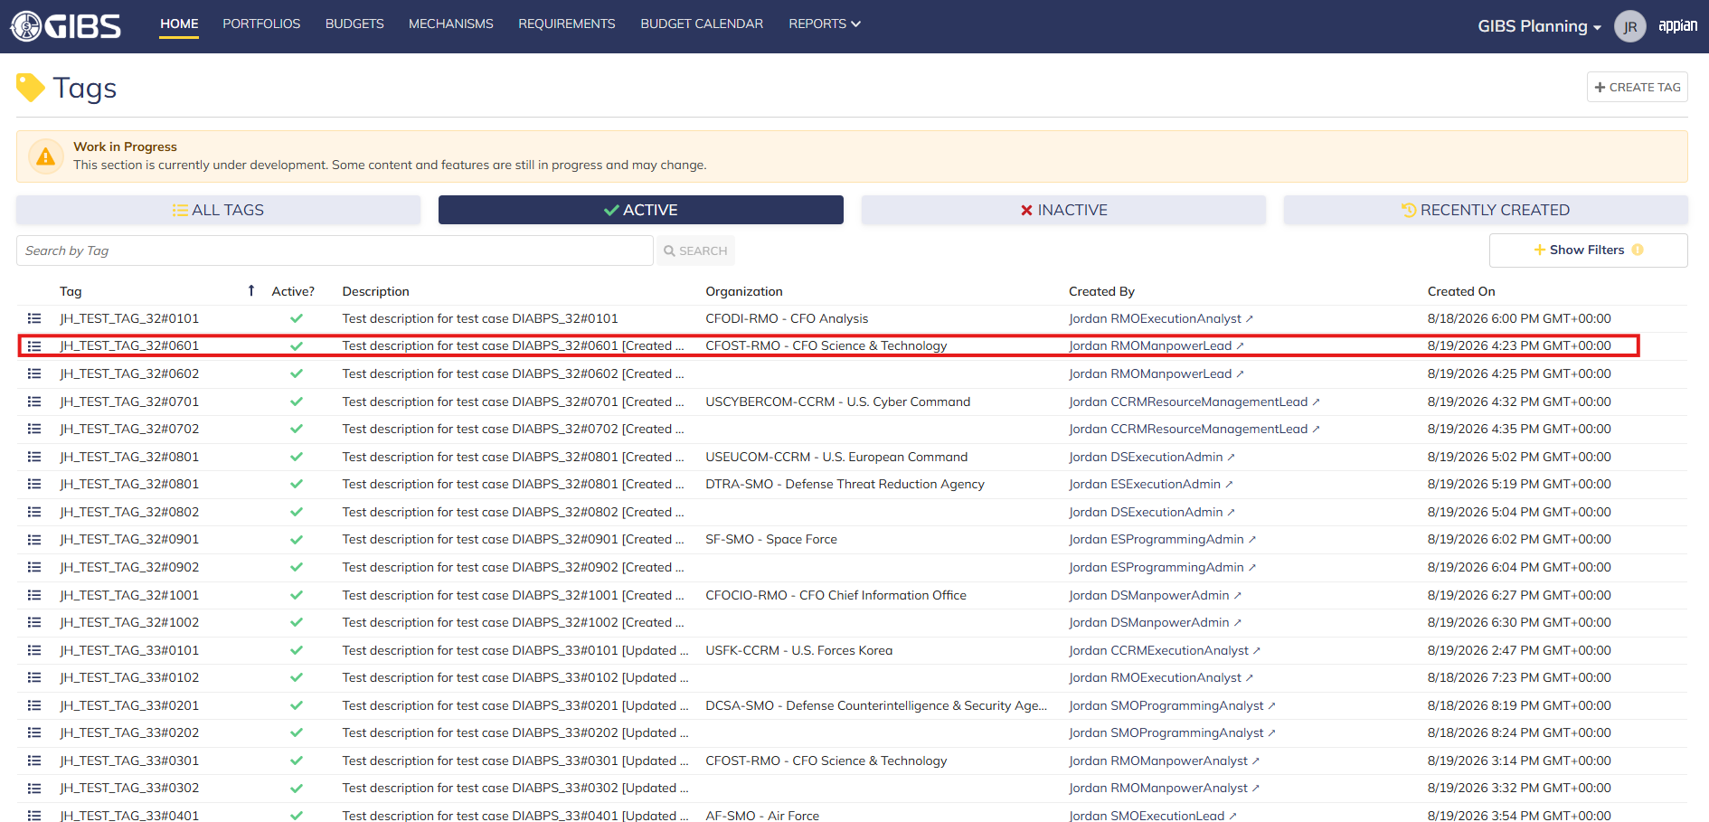
 |  |  | Tags record page. Tag referenced in Pre-Conditions noted

 |  |  | Summary View of referenced Tag. The "Update Tag" action is available under the "ACTIONS" button


 |  |  | Tag update form in pop-up window. Matching data pre-populates each field


 |  |  | User can edit the Tag and Description
 |  |  | For Organization, the field is disabled for editing

 |  |  | User successfully updates a tag within their organization. All entered data is saved and audit information is saved

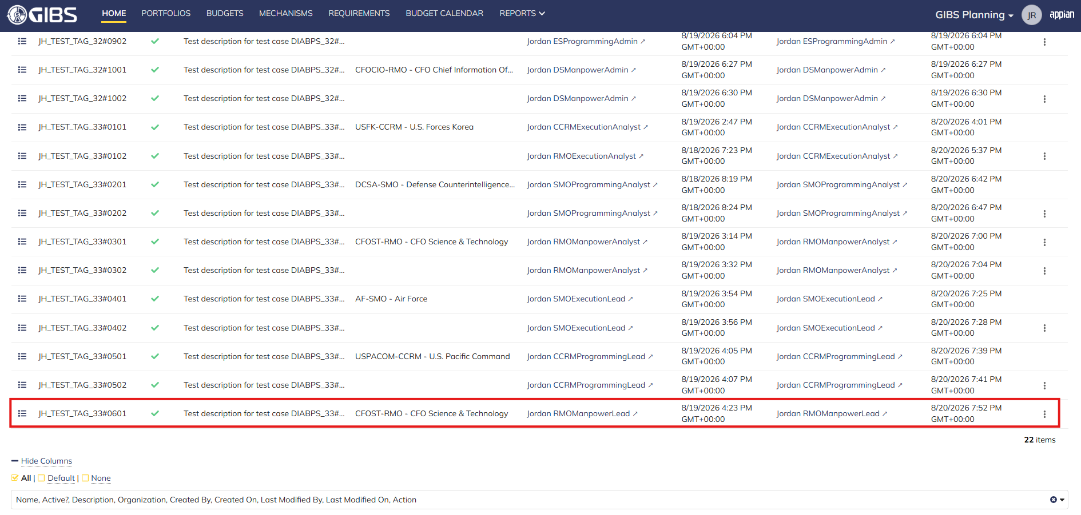
 |  |  | Grid row reflects the same data

Scenario 2
 |  |  | Summary View of referenced Tag. The "Update Tag" action is available under the "ACTIONS" button


 |  |  | User can edit the Tag and Description
 |  |  | For Organization, the field is blank and disabled for editing

 |  |  | User successfully updates a system-wide tag. All entered data is saved and audit information is saved

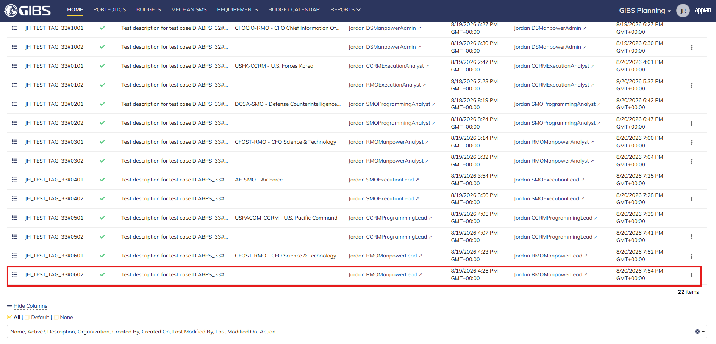
 |  |  | Grid row reflects the same data

Scenario 3
 |  |  | Summary View of a tag associated to a different organization. The "ACTIONS" button is hidden

Resource Management Lead
DIABPS Sprint 1.1 - DIABPS-33 TEST CASES |  |  |  | TESTER INFO
Test Case ID: | DIABPS_33#07 |  |  | Created By: | Jordan Helman
User Story: | DIABPS-33 - Update a Tag (System-Wide) |  |  | Created On: | 2026-08-03
Story Description: | As a(n) Execution Admin, Programming Admin, Manpower Admin, Resource Management Lead, Execution Lead, Programming Lead, Manpower Lead, Execution Analyst, Programming Analyst, or Manpower Analyst, I can update a Tag within my organization or system-wide Tags. |  |  | Reviewed By: | Kana Raghavan
User Role: | Resource Management Lead |  |  | Reviewed On: | 2026-08-14
Acceptance Criteria: |  |  |  | Executed By: | Jordan Helman
Environment: | DIABPS Test |  |  | Executed On: | 2026-08-20

TEST SCENARIO 1
Test Scenario: | A Resource Management Lead can update a tag that is within their organization.
Pre-Conditions: | At least 1 Active Tag with an associated organization exists in the system (the organization must be one that the Resource Management Lead is within)
Execution Steps: |  | Input Data | Expected Result | Pass/Fail | Comments
STEP 1 | Log in as a Resource Management Lead https://ams-test.appiancloud.us/suite/ | Username: jordan.ccrmresourcemanagementlead | The user logs in successfully and is now on the Planning Module Home page | Pass | [Jordan]: Tested as CCRM
STEP 2 | Click the "TAGS" action located under ACTIONS & RESOURCES |  | The Tags record page displays | Pass
STEP 3 | In the grid, locate the row for the Tag referenced in Pre-Conditions |  |  | Pass | [Jordan]: User is in "USCYBERCOM-CCRM - U.S. Cyber Command", so the Tag is associated to that same organization
STEP 4 | Click the "View Details" icon located in the left-most column |  | A Tag summary view displays | Pass
STEP 5 | Click the "ACTIONS" button located on the right-side of the page |  | The "Update Tag" action is available | Pass
STEP 6 | Click the "Update Tag" action |  | The Tag update form displays in a pop-up window | Pass
STEP 7 | Tag* Text Field Verify the field is pre-populated with record's current "Tag" value |  |  | Pass
STEP 8 | Clear the field and enter a different valid Tag | Tag: JH_TEST_TAG_33#0701 | The entered value persists with no error/validation message | Pass
STEP 9 | Description* Paragraph Field Verify the field is pre-populated with the record's current "Description" value |  |  | Pass
STEP 10 | Clear the field and enter a different valid Description | Description: Test description for test case DIABPS_33#0701 [Updated by CCRM Resource Management Lead] | The entered value persists with no error/validation message | Pass
STEP 11 | Organization Picker Field Tooltip: "Leave blank to make this tag available system-wide to all users" Verify the field is pre-populated with the record's current "Organization" value |  |  | Pass
STEP 12 | Verify the field is disabled and cannot be edited |  |  | Pass
STEP 13 | Click the "UPDATE TAG" button |  | The pop-up window closes | Pass
STEP 14 | Verify the "Tag" and "Description" fields reflect the updated values |  |  | Pass
STEP 15 | Verify the "Last Modified By" field is set to the logged-in user, and the "Last Modified On" field is set to the time you updated the Tag |  |  | Pass
STEP 16 | Click the "All Tags" link located on the left-side of the page |  | The Tags record page displays | Pass
STEP 17 | Scroll to the bottom of the page and click the "Show Columns" link |  | A column selection section appears | Pass
STEP 18 | Click the "All" link |  | The "Last Modified By" and "Last Modified On" columns are added to the Tag record grid | Pass
STEP 19 | Locate the row for the updated Tag |  |  | Pass
STEP 20 | Verify the "Tag" and "Description" columns reflect the updated values |  |  | Pass
STEP 21 | Verify the "Last Modified By" column is set to the logged-in user, and the "Last Modified On" column is set to the time you updated the Tag |  |  | Pass
STEP 22 | Log out |  | The user is logged out of the application | Pass
Overall Status: | 1. The Tag has been successfully updated 2. All data entered by the user is saved 3. The system logs who updated the tag and the timestamp |  |  | Pass

TEST SCENARIO 2
Test Scenario: | A Resource Management Lead can update a system-wide tag.
Pre-Conditions: | At least 1 Active Tag with no associated organization exists in the system
Execution Steps: |  | Input Data | Expected Result | Pass/Fail | Comments
STEP 1 | Log in as a Resource Management Lead https://ams-test.appiancloud.us/suite/ | Username: jordan.ccrmresourcemanagementlead | The user logs in successfully and is now on the Planning Module Home page | Pass | [Jordan]: Tested as CCRM
STEP 2 | Click the "TAGS" action located under ACTIONS & RESOURCES |  | The Tags record page displays | Pass
STEP 3 | In the grid, locate the row for the Tag referenced in Pre-Conditions |  |  | Pass
STEP 4 | Click the "View Details" icon located in the left-most column |  | A Tag summary view displays | Pass
STEP 5 | Click the "ACTIONS" button located on the right-side of the page |  | The "Update Tag" action is available | Pass
STEP 6 | Click the "Update Tag" action |  | The Tag update form displays in a pop-up window | Pass
STEP 7 | Tag* Text Field Verify the field is pre-populated with record's current "Tag" value |  |  | Pass
STEP 8 | Clear the field and enter a different valid Tag | Tag: JH_TEST_TAG_33#0702 | The entered value persists with no error/validation message | Pass
STEP 9 | Description* Paragraph Field Verify the field is pre-populated with the record's current "Description" value |  |  | Pass
STEP 10 | Clear the field and enter a different valid Description | Description: Test description for test case DIABPS_33#0702 [Updated by CCRM Resource Management Lead] | The entered value persists with no error/validation message | Pass
STEP 11 | Organization Picker Field Verify the field is blank |  |  | Pass
STEP 12 | Verify the field is disabled and cannot be edited |  |  | Pass
STEP 13 | Click the "UPDATE TAG" button |  | The pop-up window closes | Pass
STEP 14 | Verify the "Tag" and "Description" fields reflect the updated values |  |  | Pass
STEP 15 | Verify the "Last Modified By" field is set to the logged-in user, and the "Last Modified On" field is set to the time you updated the Tag |  |  | Pass
STEP 16 | Click the "All Tags" link located on the left-side of the page |  | The Tags record page displays | Pass
STEP 17 | Scroll to the bottom of the page and click the "Show Columns" link |  | A column selection section appears | Pass
STEP 18 | Click the "All" link |  | The "Last Modified By" and "Last Modified On" columns are added to the Tag record grid | Pass
STEP 19 | Locate the row for the updated Tag |  |  | Pass
STEP 20 | Verify the "Tag" and "Description" columns reflect the updated values |  |  | Pass
STEP 21 | Verify the "Last Modified By" column is set to the logged-in user, and the "Last Modified On" column is set to the time you updated the Tag |  |  | Pass
STEP 22 | Log out |  | The user is logged out of the application | Pass
Overall Status: | 1. The Tag has been successfully updated 2. All data entered by the user is saved 3. The system logs who updated the tag and the timestamp |  |  | Pass

TEST SCENARIO 3
Test Scenario: | A Resource Management Lead cannot update a Tag associated to an organization they are not within.
Pre-Conditions: | At least 1 Active Tag with an associated organization exists in the system (the organization must be one that the Resource Management Lead is NOT within)
Execution Steps: |  | Input Data | Expected Result | Pass/Fail | Comments
STEP 1 | Log in as a Resource Management Lead https://ams-test.appiancloud.us/suite/ | Username: jordan.ccrmresourcemanagementlead | The user logs in successfully and is now on the Planning Module Home page | Pass | [Jordan]: Tested as CCRM
STEP 2 | Click the "TAGS" action located under ACTIONS & RESOURCES |  | The Tags record page will display | Pass
STEP 3 | In the grid, locate the row for the Tag referenced in Pre-Conditions |  |  | Pass | [Jordan]: User is in "USCYBERCOM-CCRM - U.S. Cyber Command", so the Tag is associated to a different organization
STEP 4 | Click the "View Details" icon located in the left-most column |  | A Tag summary view displays | Pass
STEP 5 | Verify the "ACTIONS" button does not appear on this page |  |  | Pass
STEP 6 | Log out |  | The user is logged out of the application | Pass
Overall Status: | The user cannot access the "Update Tag" action |  |  | Pass

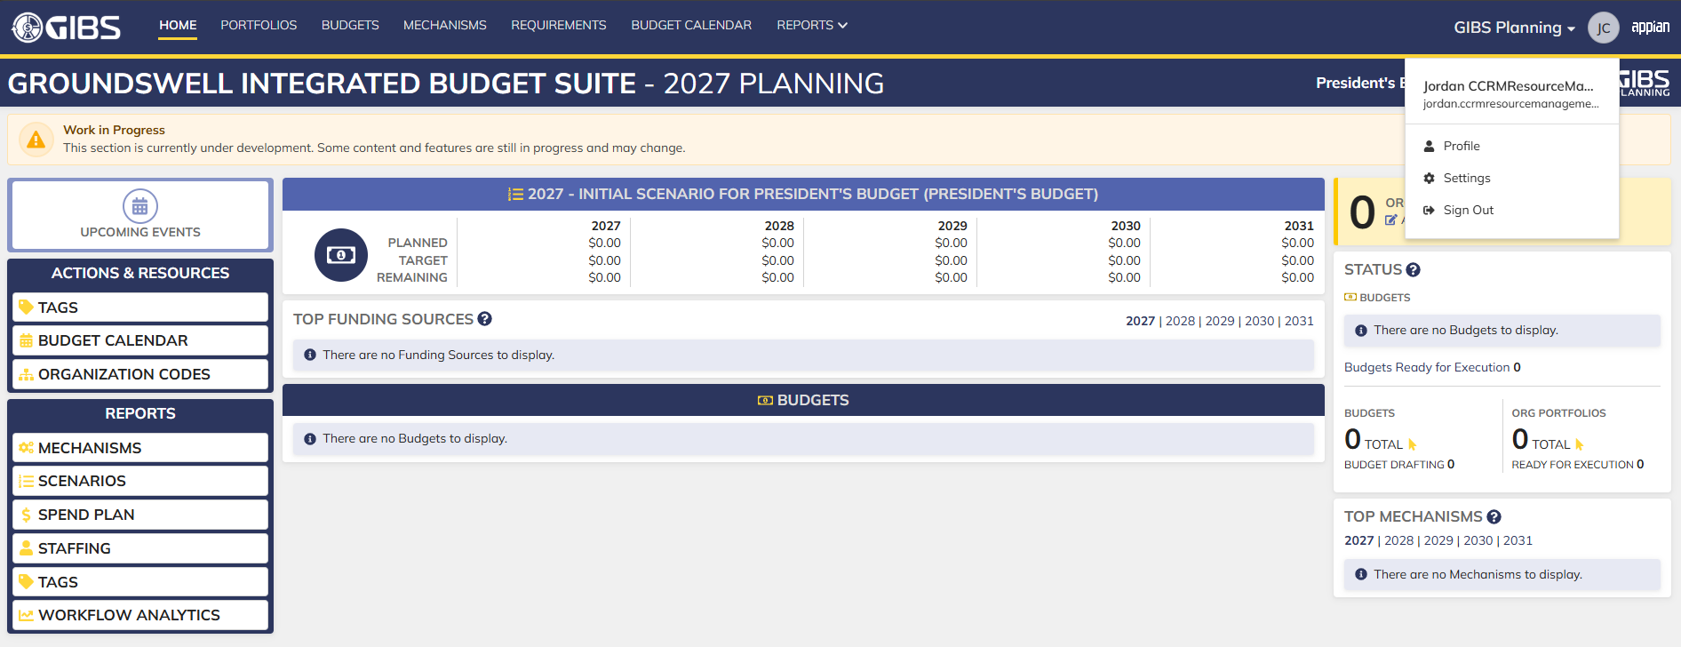
Evidences:
Scenario 1
 |  |  | Planning home page


 |  |  | Tags record page. Tag referenced in Pre-Conditions noted

 |  |  | Summary View of referenced Tag. The "Update Tag" action is available under the "ACTIONS" button

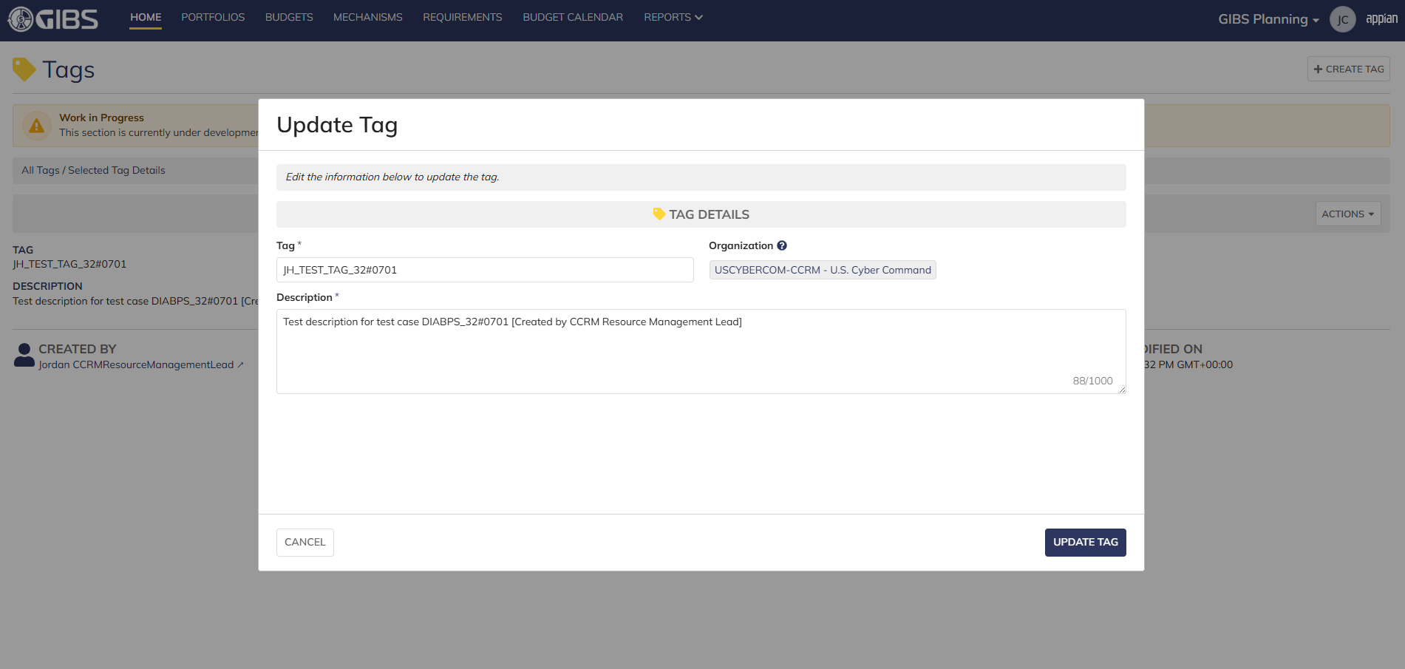
 |  |  | Tag update form in pop-up window. Matching data pre-populates each field


 |  |  | User can edit the Tag and Description
 |  |  | For Organization, the field is disabled for editing

 |  |  | User successfully updates a tag within their organization. All entered data is saved and audit information is saved

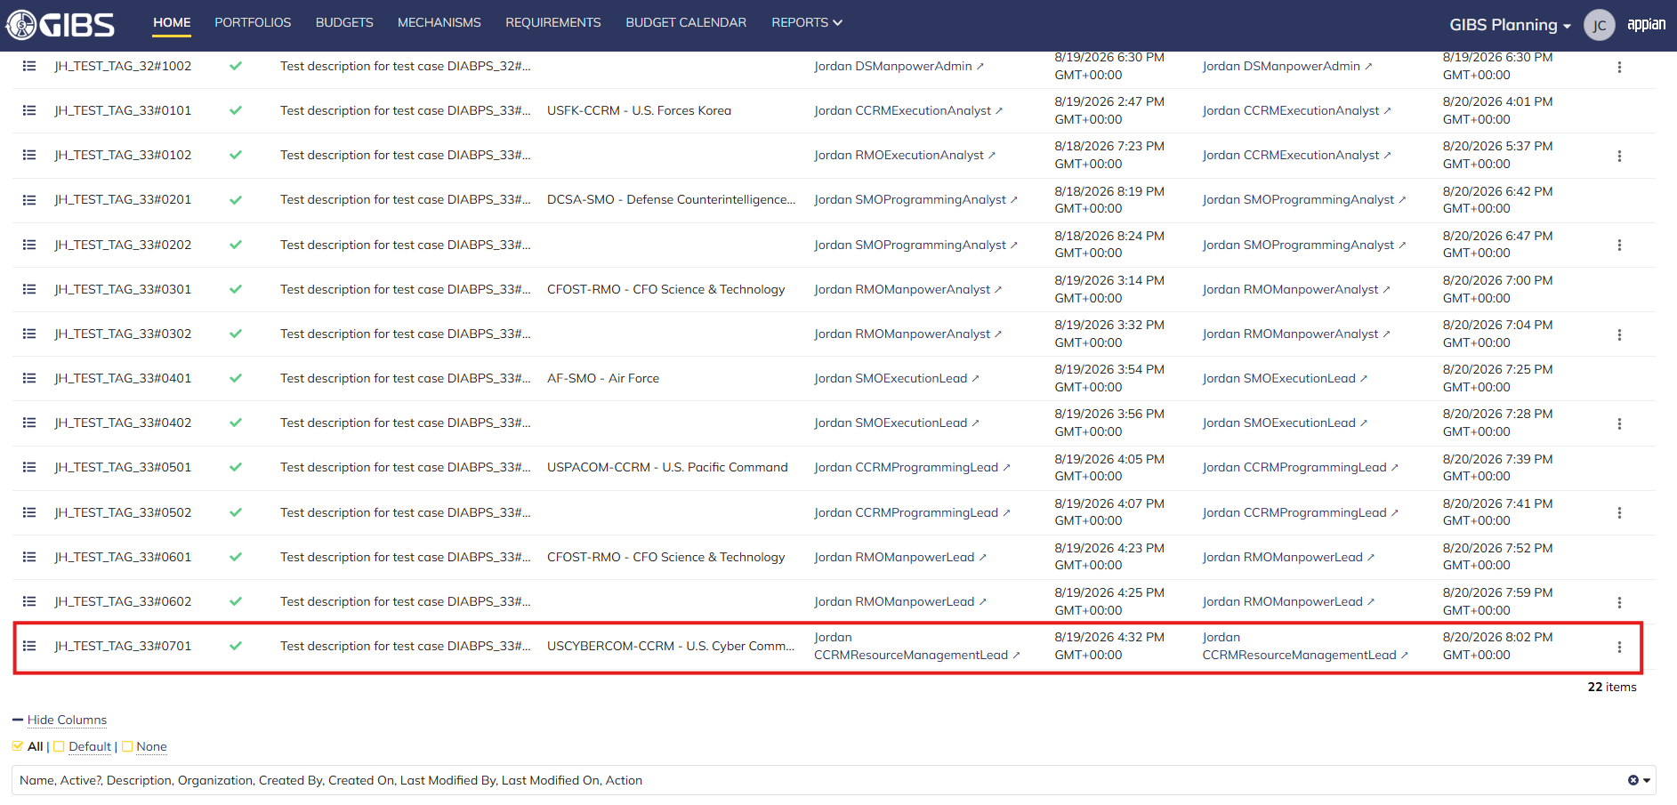
 |  |  | Grid row reflects the same data

Scenario 2
 |  |  | Summary View of referenced Tag. The "Update Tag" action is available under the "ACTIONS" button


 |  |  | User can edit the Tag and Description
 |  |  | For Organization, the field is blank and disabled for editing

 |  |  | User successfully updates a system-wide tag. All entered data is saved and audit information is saved

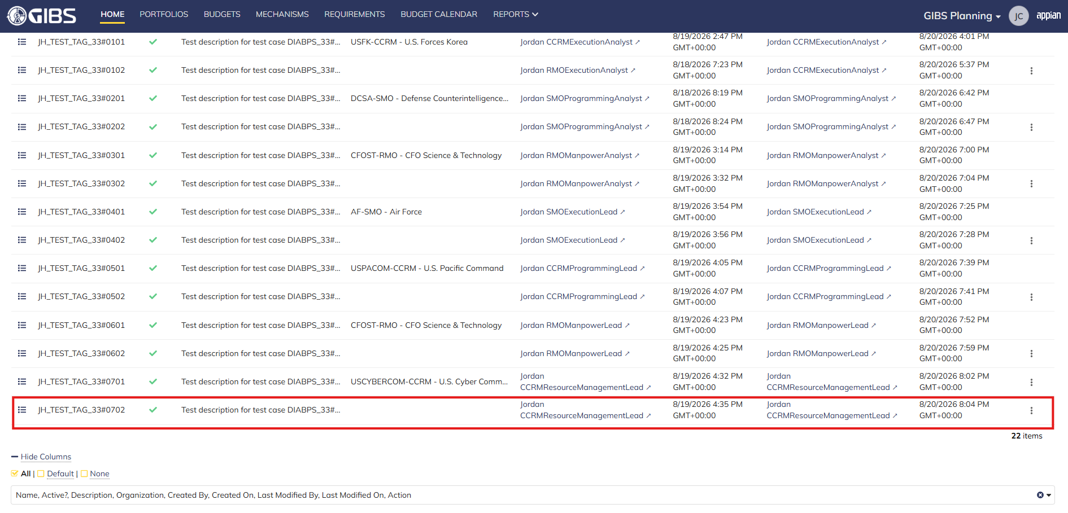
 |  |  | Grid row reflects the same data

Scenario 3
 |  |  | Summary View of a tag associated to a different organization. The "ACTIONS" button is hidden

Execution Admin
DIABPS Sprint 1.1 - DIABPS-33 TEST CASES |  |  | TESTER INFO
Test Case ID: | DIABPS_33#08 |  | Created By: | Jordan Helman
User Story: | DIABPS-33 - Update a Tag (System-Wide) |  | Created On: | 2026-08-03
Story Description: | As a(n) Execution Admin, Programming Admin, Manpower Admin, Resource Management Lead, Execution Lead, Programming Lead, Manpower Lead, Execution Analyst, Programming Analyst, or Manpower Analyst, I can update a Tag within my organization or system-wide Tags. |  | Reviewed By: | Kana Raghavan
User Role: | Execution Admin |  | Reviewed On: | 2026-08-14
Acceptance Criteria: |  |  | Executed By: | Jordan Helman
Environment: | DIABPS Test |  | Executed On: | 2026-08-20
...
TEST SCENARIO 3
STEP 2 | Click the "TAGS" action located under ACTIONS & RESOURCES | The Tags record page will display | Pass
STEP 3 | In the grid, locate the row for the Tag referenced in Pre-Conditions |  | Pass | [Jordan]: This does not apply to ES Execution Admin as they preside over all available organizations. DS Execution Admin cannot access SMOs.
STEP 4 | Click the "View Details" icon located in the left-most column | A Tag summary view displays | Pass
STEP 5 | Verify the "ACTIONS" button does not appear on this page |  | Pass
STEP 6 | Log out | The user is logged out of the application | Pass
Overall Status: | The user cannot access the "Update Tag" action |  | Pass


Evidences:
Scenario 1
 |  | Planning home page

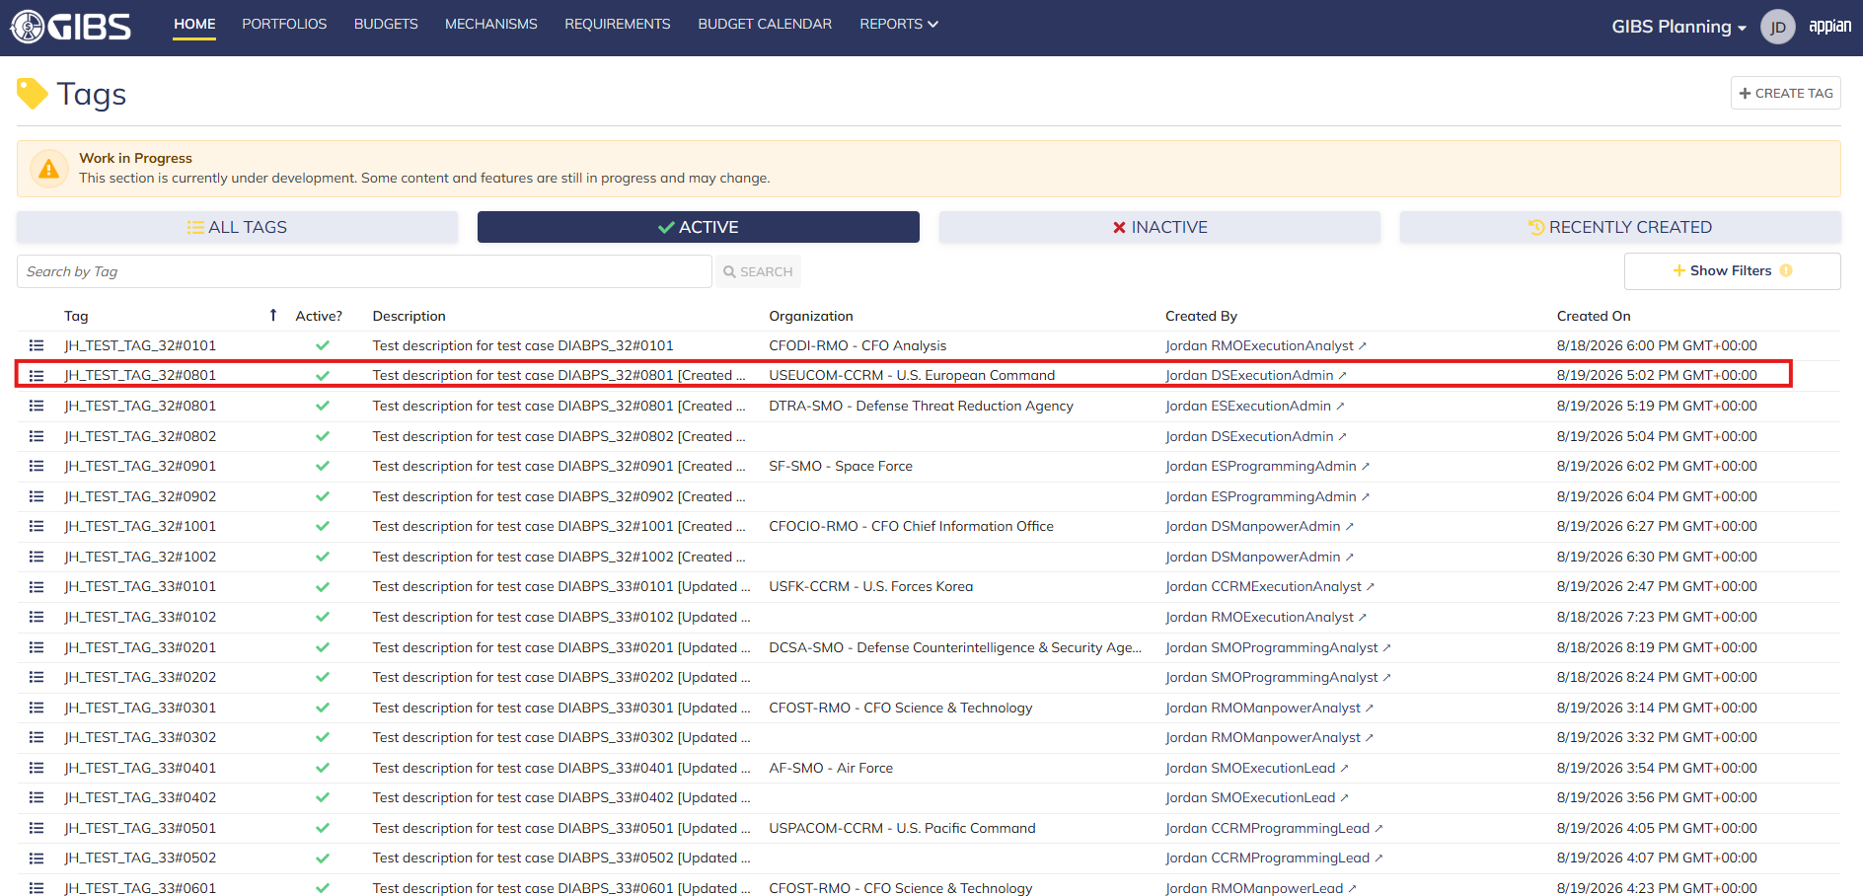
 |  | Tags record page. Tag referenced in Pre-Conditions noted

 |  | Summary View of referenced Tag. The "Update Tag" action is available under the "ACTIONS" button


 |  | Tag update form in pop-up window. Matching data pre-populates each field


 |  | User can edit the Tag and Description
 |  | For Organization, the field is disabled for editing

 |  | User successfully updates a tag associated to an organization under DS. All entered data is saved and audit information is saved

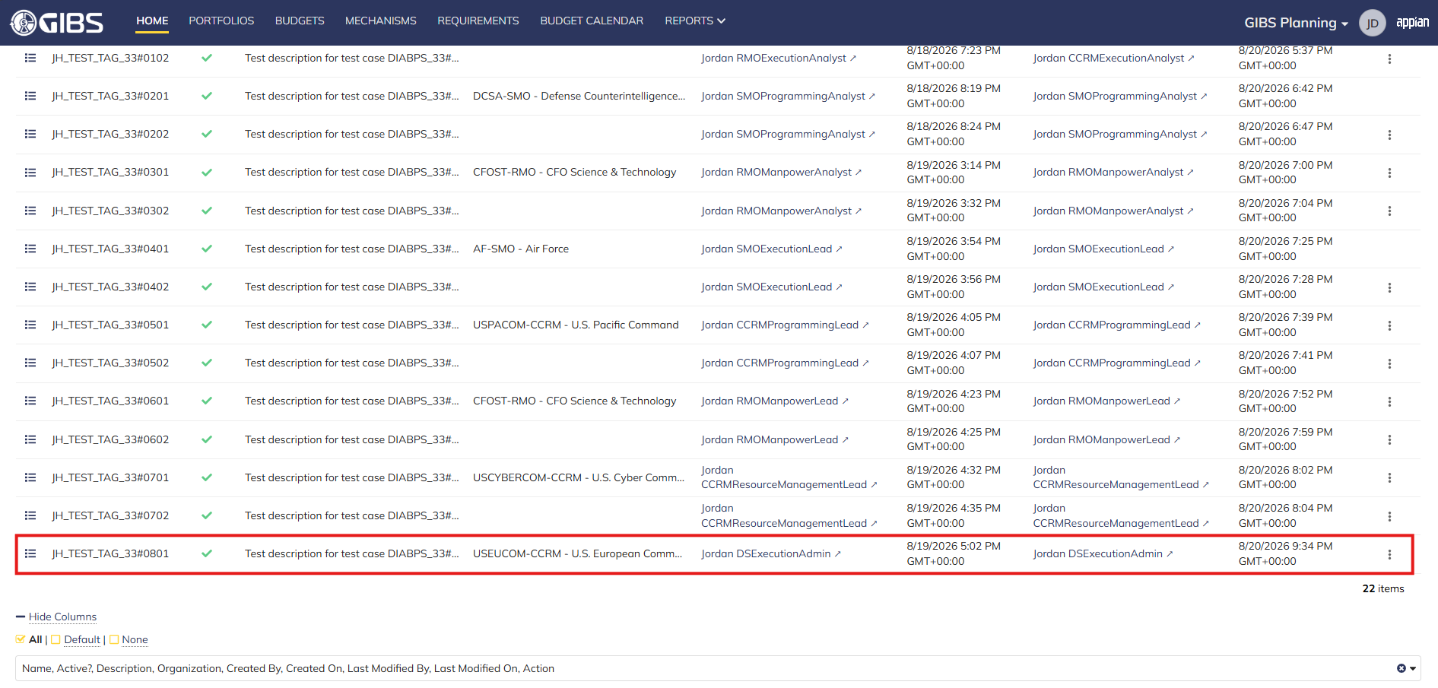
 |  | Grid row reflects the same data

Scenario 2
 |  | Summary View of referenced Tag. The "Update Tag" action is available under the "ACTIONS" button


 |  | User can edit the Tag and Description
 |  | For Organization, the field is blank and disabled for editing

 |  | User successfully updates a system-wide tag. All entered data is saved and audit information is saved

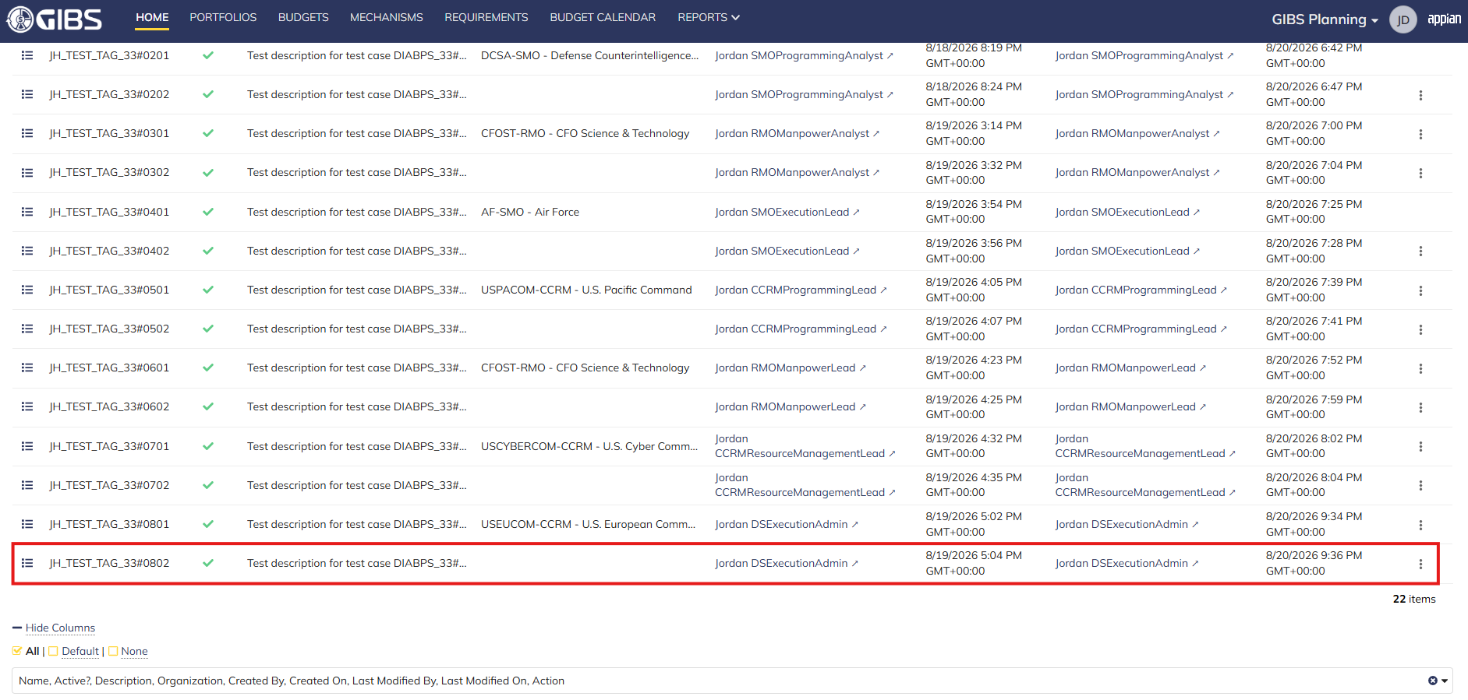
 |  | Grid row reflects the same data

Scenario 3
 |  | Summary View of a tag associated to an SMO. The "ACTIONS" button is hidden

Programming Admin
...
TEST SCENARIO 3
STEP 2 | Click the "TAGS" action located under ACTIONS & RESOURCES | The Tags record page will display | Pass
STEP 3 | In the grid, locate the row for the Tag referenced in Pre-Conditions |  | Pass | [Jordan]: This does not apply to ES Programming Admin as they preside over all available organizations. DS Programming Admin cannot access SMOs.
STEP 4 | Click the "View Details" icon located in the left-most column | A Tag summary view displays | Pass
STEP 5 | Verify the "ACTIONS" button does not appear on this page |  | Pass
STEP 6 | Log out | The user is logged out of the application | Pass
Overall Status: | The user cannot access the "Update Tag" action |  | Pass

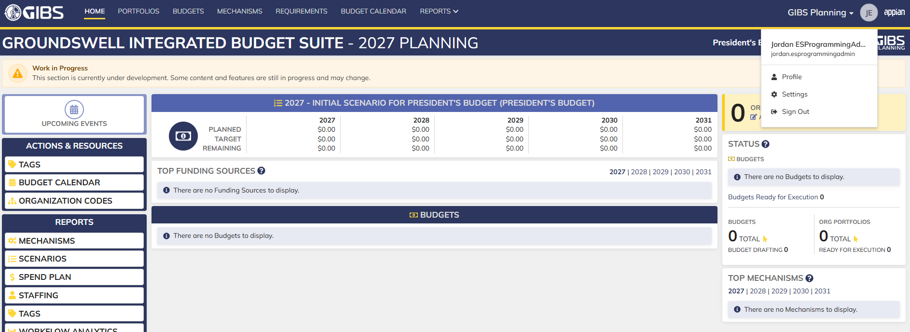
Evidences:
Scenario 1
 |  | Planning home page

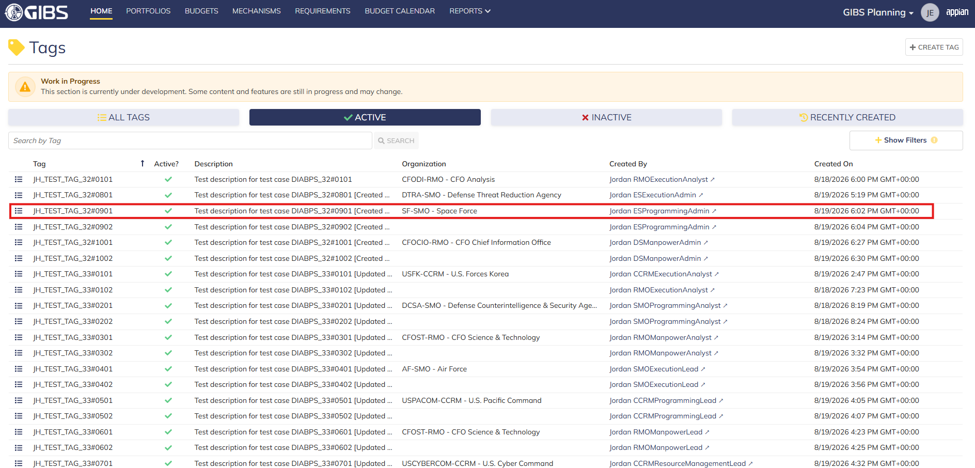
 |  | Tags record page. Tag referenced in Pre-Conditions noted

 |  | Summary View of referenced Tag. The "Update Tag" action is available under the "ACTIONS" button

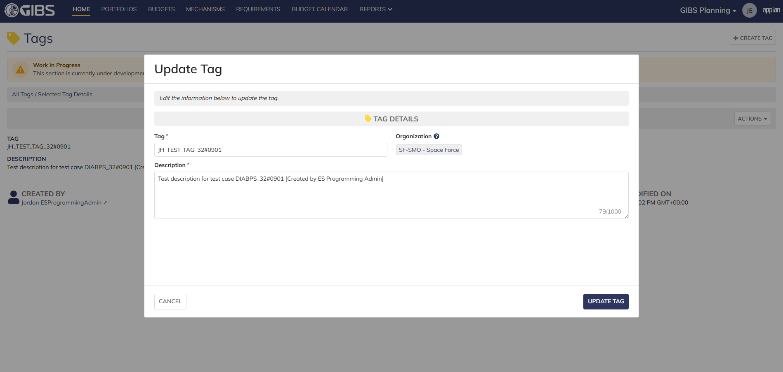
 |  | Tag update form in pop-up window. Matching data pre-populates each field


 |  | User can edit the Tag and Description
 |  | For Organization, the field is disabled for editing

 |  | User successfully updates a tag associated to an organization. All entered data is saved and audit information is saved

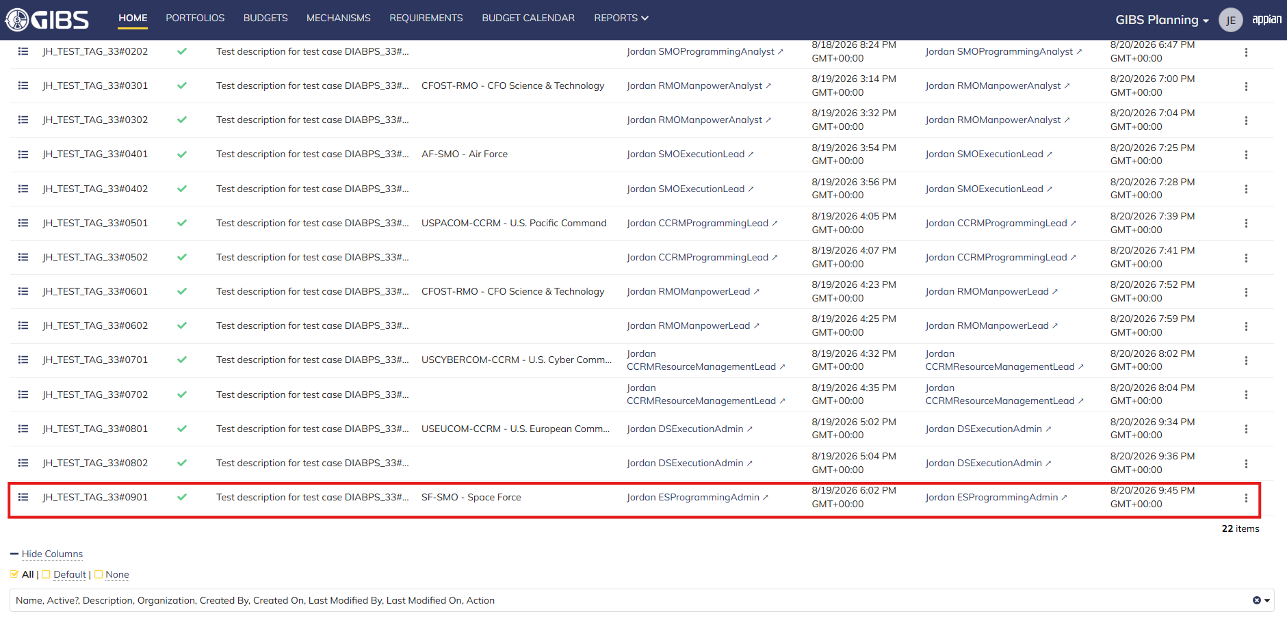
 |  | Grid row reflects the same data

Scenario 2
 |  | Summary View of referenced Tag. The "Update Tag" action is available under the "ACTIONS" button


 |  | User can edit the Tag and Description
 |  | For Organization, the field is blank and disabled for editing

 |  | User successfully updates a system-wide tag. All entered data is saved and audit information is saved

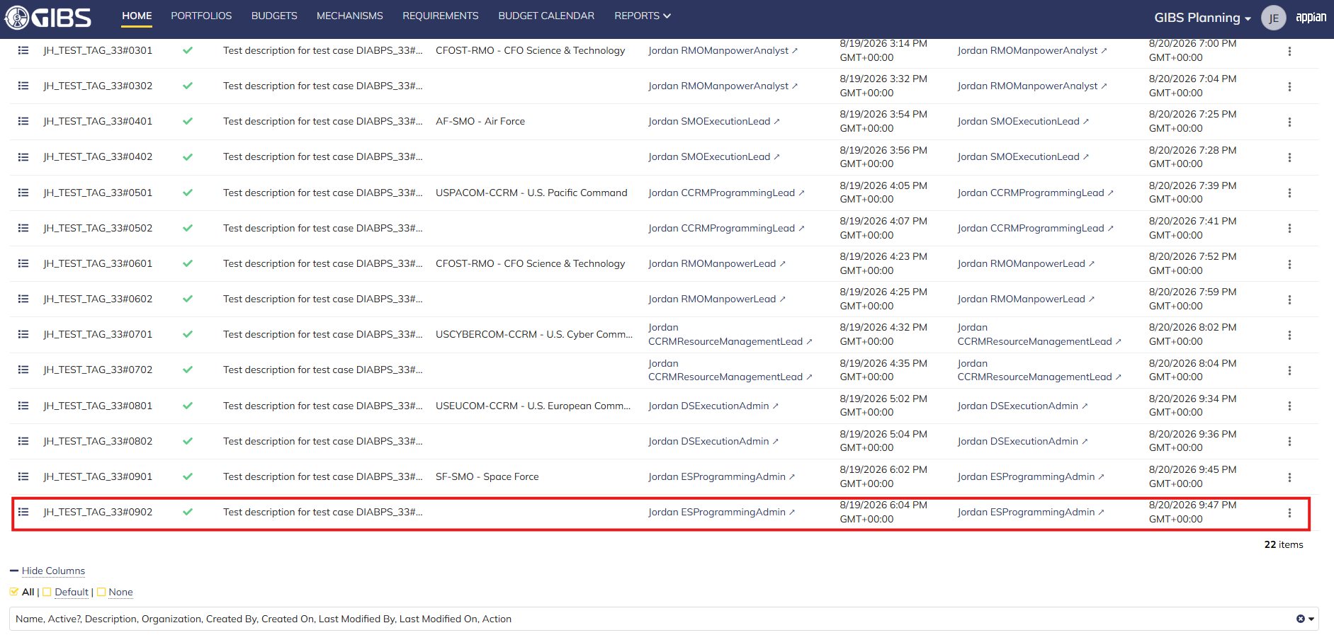
 |  | Grid row reflects the same data

Scenario 3
 |  | Summary View of a tag associated to an SMO (as DS Programming Admin). The "ACTIONS" button is hidden

Manpower Admin
...
TEST SCENARIO 3
STEP 2 | Click the "TAGS" action located under ACTIONS & RESOURCES | The Tags record page will display | Pass
STEP 3 | In the grid, locate the row for the Tag referenced in Pre-Conditions |  | Pass
STEP 4 | Click the "View Details" icon located in the left-most column | A Tag summary view displays | Pass
STEP 5 | Verify the "ACTIONS" button does not appear on this page |  | Pass
STEP 6 | Log out | The user is logged out of the application | Pass
Overall Status: | The user cannot access the "Update Tag" action |  | Pass

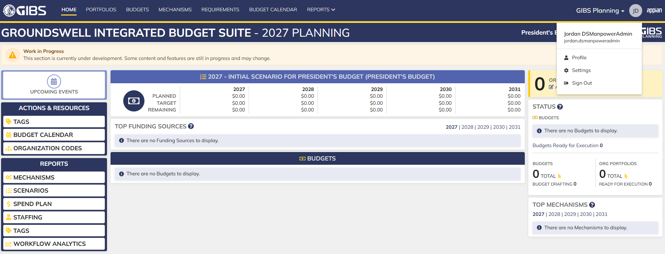
Evidences:
Scenario 1
 |  | Planning home page

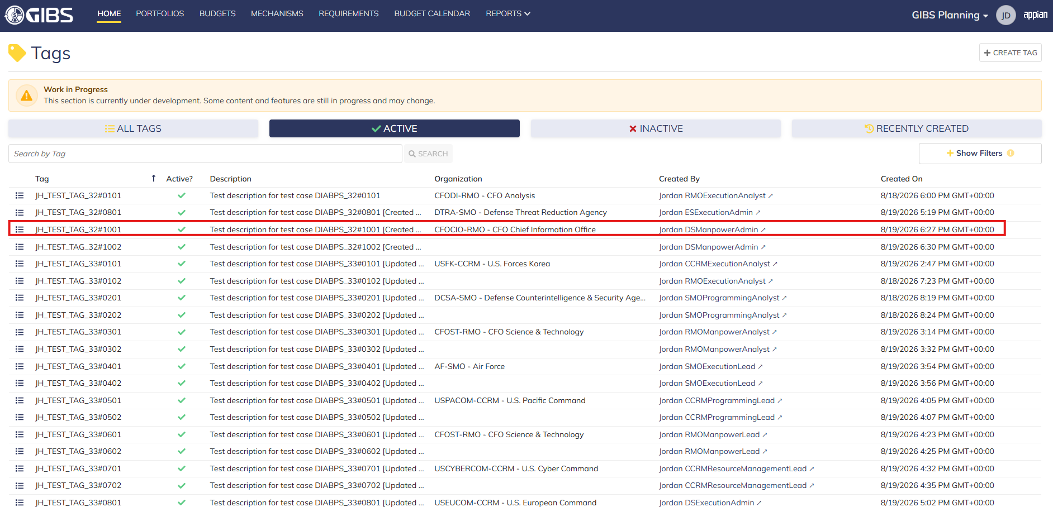
 |  | Tags record page. Tag referenced in Pre-Conditions noted

 |  | Summary View of referenced Tag. The "Update Tag" action is available under the "ACTIONS" button


 |  | Tag update form in pop-up window. Matching data pre-populates each field


 |  | User can edit the Tag and Description
 |  | For Organization, the field is disabled for editing

 |  | User successfully updates a tag associated to a non-SMO organization. All entered data is saved and audit information is saved


 |  | Grid row reflects the same data

Scenario 2
 |  | Summary View of referenced Tag. The "Update Tag" action is available under the "ACTIONS" button


 |  | User can edit the Tag and Description
 |  | For Organization, the field is blank and disabled for editing

 |  | User successfully updates a system-wide tag. All entered data is saved and audit information is saved


 |  | Grid row reflects the same data

Scenario 3
 |  | Summary View of a tag associated to an SMO. The "ACTIONS" button is hidden

All Other Roles
...
TEST SCENARIO 1
STEP 7 | In the grid, locate the row for the Tag referenced in Pre-Condition #2 |  |  | Pass
STEP 8 | Click the "View Details" icon located in the left-most column |  | A Tag summary view displays | Pass
STEP 9 | Verify the "ACTIONS" button does not appear on this page |  |  | Pass
STEP 10 | Log out |  | The user is logged out of the application | Pass
STEP 11 | Repeat all steps for each listed User Role | Business Manager: jordan.ccmdbusinessmanager Office Chief: jordan.officechief |  | Pass
Overall Status: | Non-applicable User Roles cannot access the Tag update form |  |  | Pass


Evidences:
Scenario 1
 |  |  | Planning home page


 |  |  | Tags record page. Tag referenced in Pre-Conditions noted

 |  |  | Summary View of a system-wide tag. The "ACTIONS" button is hidden
...

